Circuits
No | Question Type | Diagram | Question | Correct Answer
1 | Kirchhoff Laws | 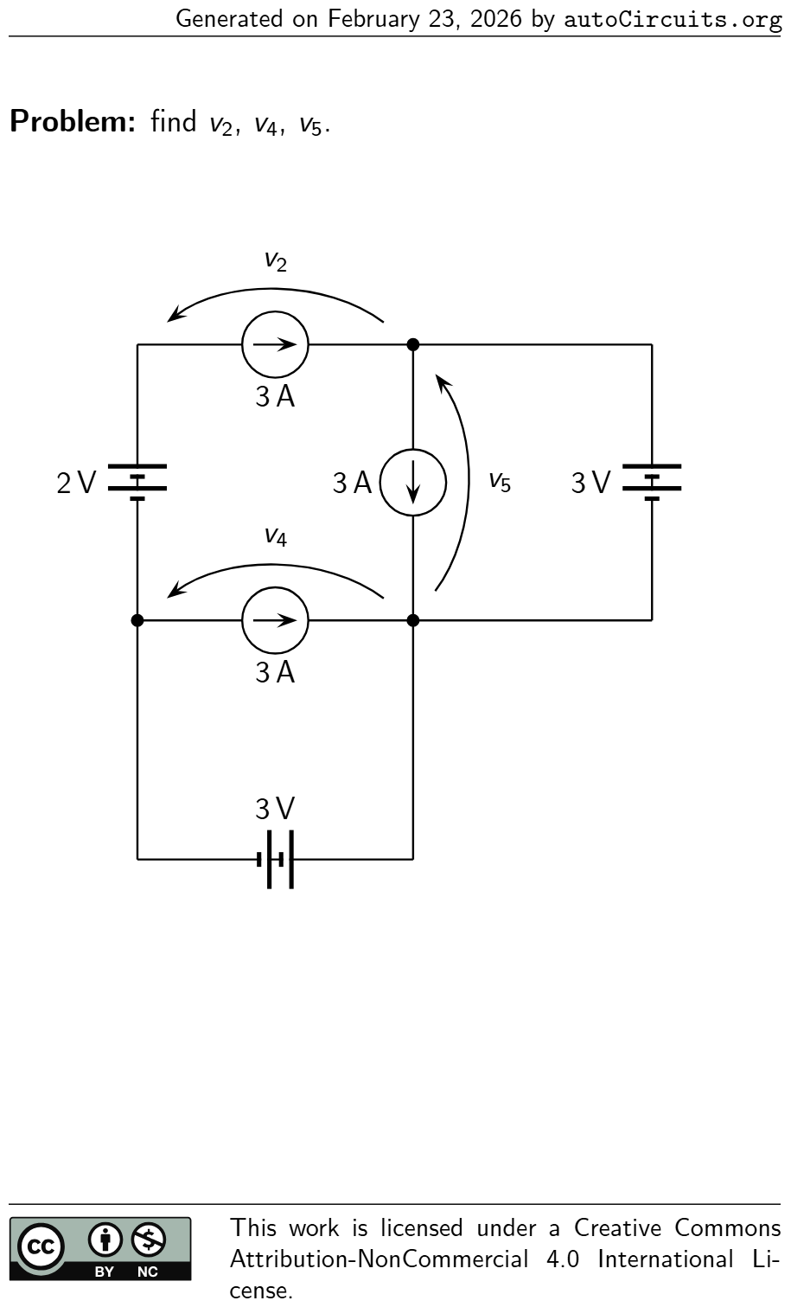 | findv2 ,v4 ,v5 . 3 V v2 3 A 2 V v4 3 A v5 3 A 3 V | v2 = −4 V v4 = −3 V v5 = 3 V
2 | Kirchhoff Laws |  | findv2 ,v4 ,v5 . 3 V v2 3 A 2 V v4 3 A v5 3 A 3 V | v2 = −4 V v4 = −3 V v5 = 3 V
3 | Kirchhoff Laws | 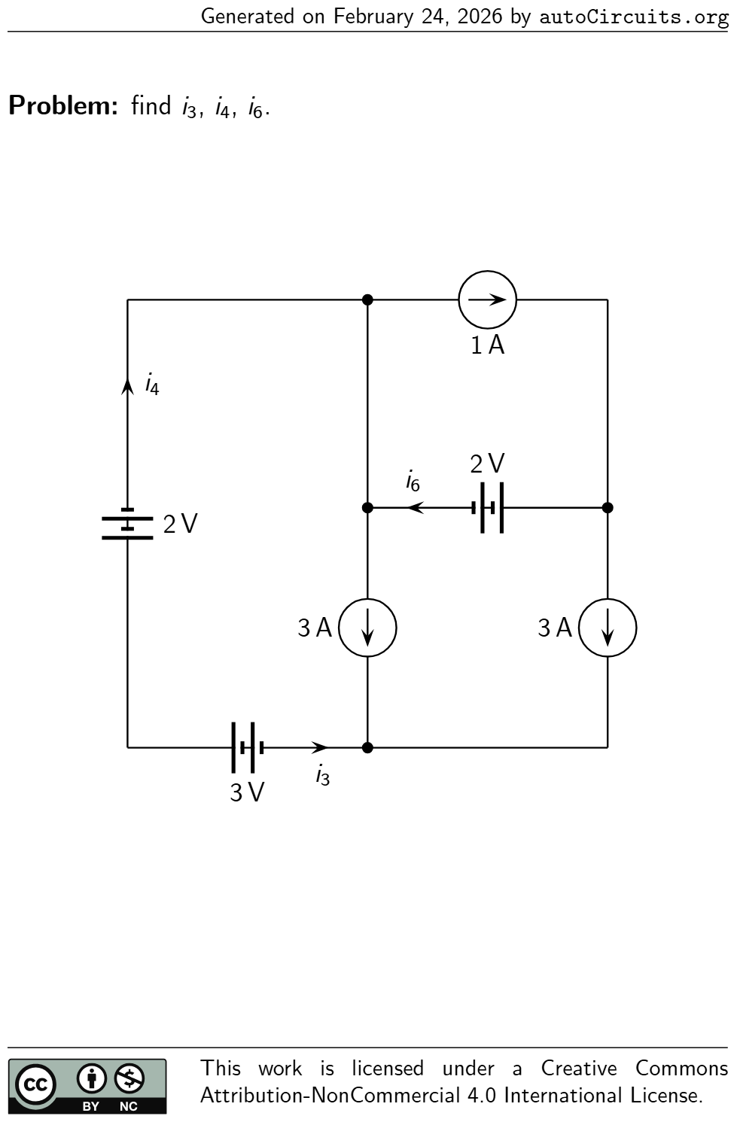 | findi3 ,i4 ,i6 . 1 A 3 A 3 V i3 2 V i4 3 A 2 V i6 | i3 = −6 A i4 = 6 A i6 = −2 A
4 | Kirchhoff Laws | 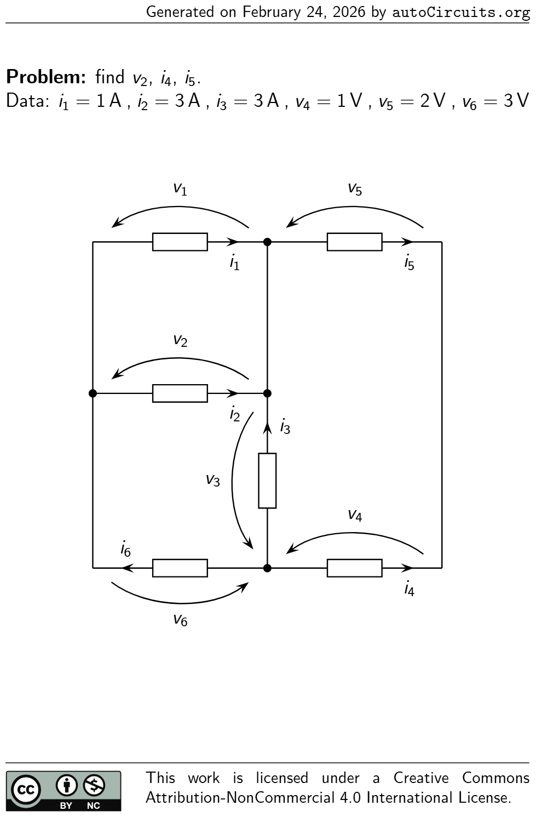 | findv2 ,i4 ,i5 . Data:i1 = 1 A ,i2 = 3 A ,i3 = 3 A ,v4 = 1 V ,v5 = 2 V ,v6 = 3 V v1 i1 v2 i2 v3 i3 v4 i4 v5 i5 v6 i6 | v2 = −4 V i4 = −7 A i5 = 7 A
5 | Kirchhoff Laws | 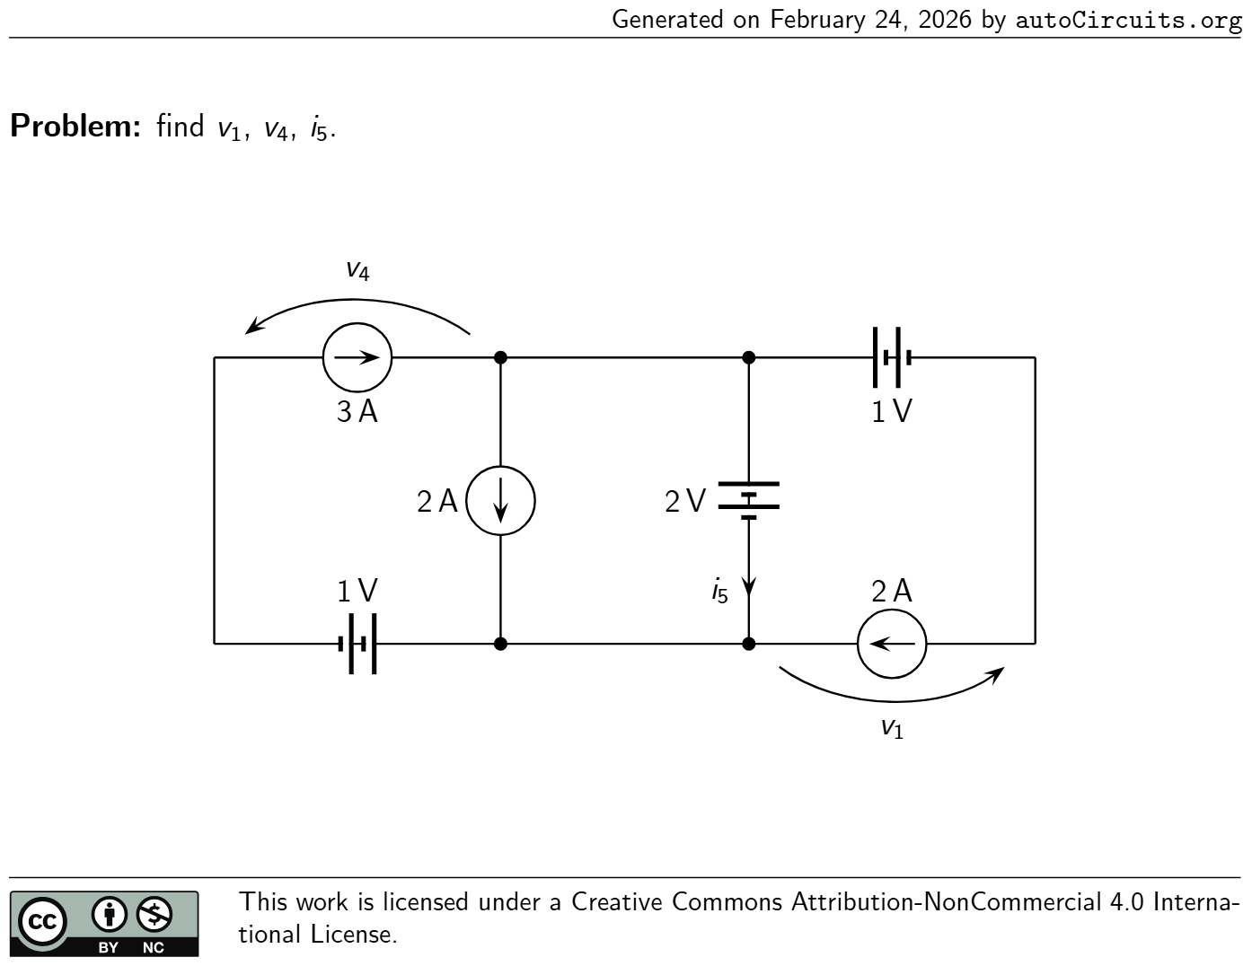 | findv1 ,v4 ,i5 . v1 2 A1 V1 V v4 3 A 2 V i5 2 A | v1 = 1 V v4 = −3 V i5 = −1 A
6 | Kirchhoff Laws | 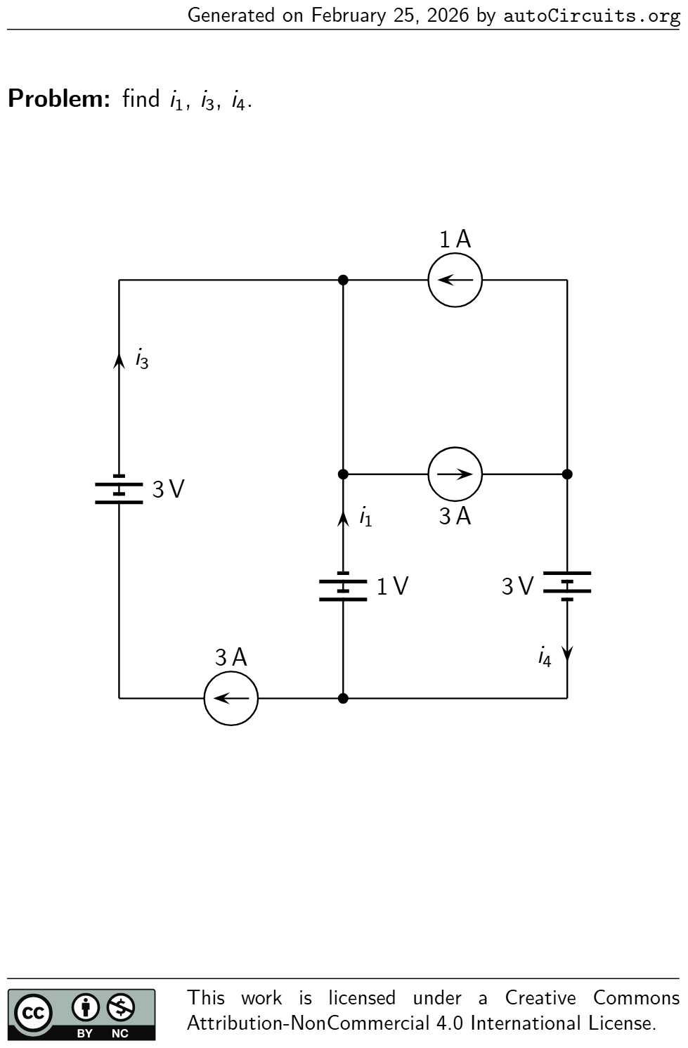 | findi1 ,i3 ,i4 . 1 V i1 3 A 3 V i3 3 V i4 1 A 3 A | i1 = −1 A i3 = 3 A i4 = 2 A
7 | Kirchhoff Laws | 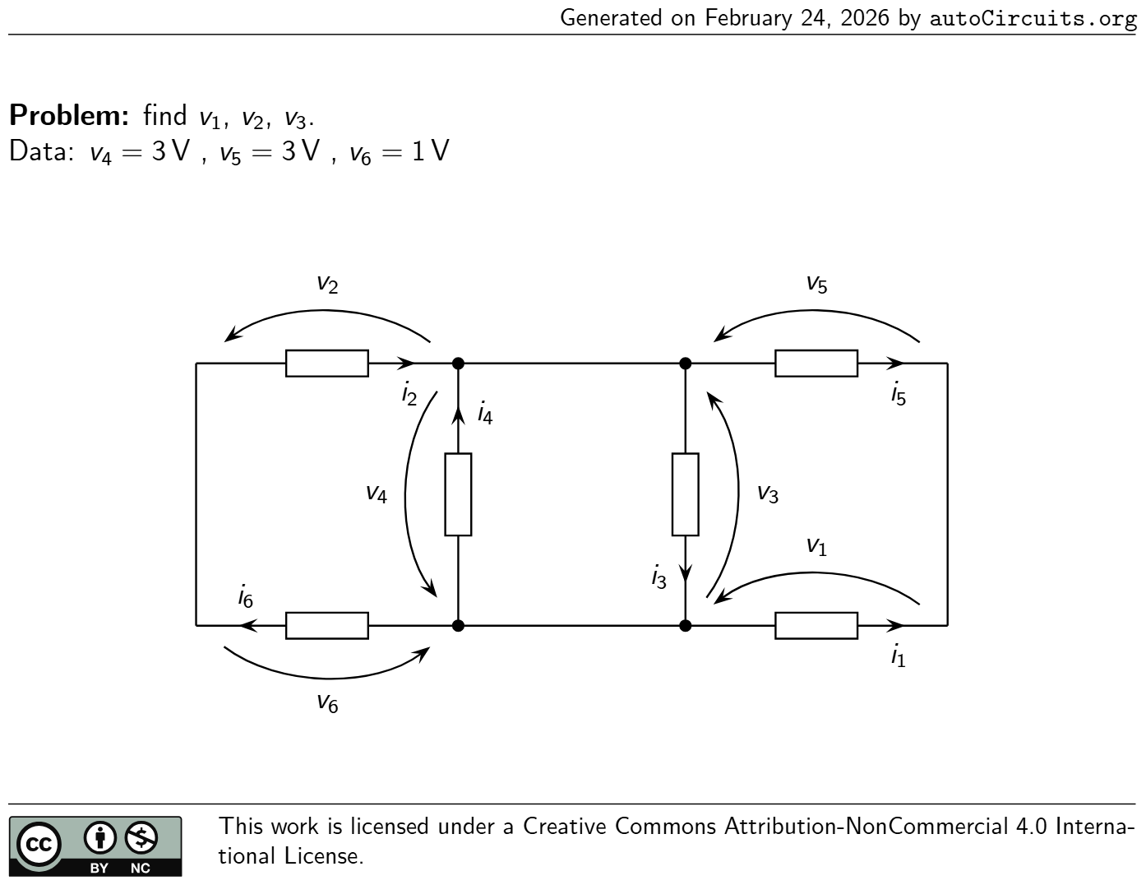 | findv1 ,v2 ,v3 . Data:v4 = 3 V ,v5 = 3 V ,v6 = 1 V v1 i1 v2 i2 v3 i3 v4 i4 v5 i5 v6 i6 | v1 = 6 V v2 = 2 V v3 = −3 V
8 | Kirchhoff Laws | 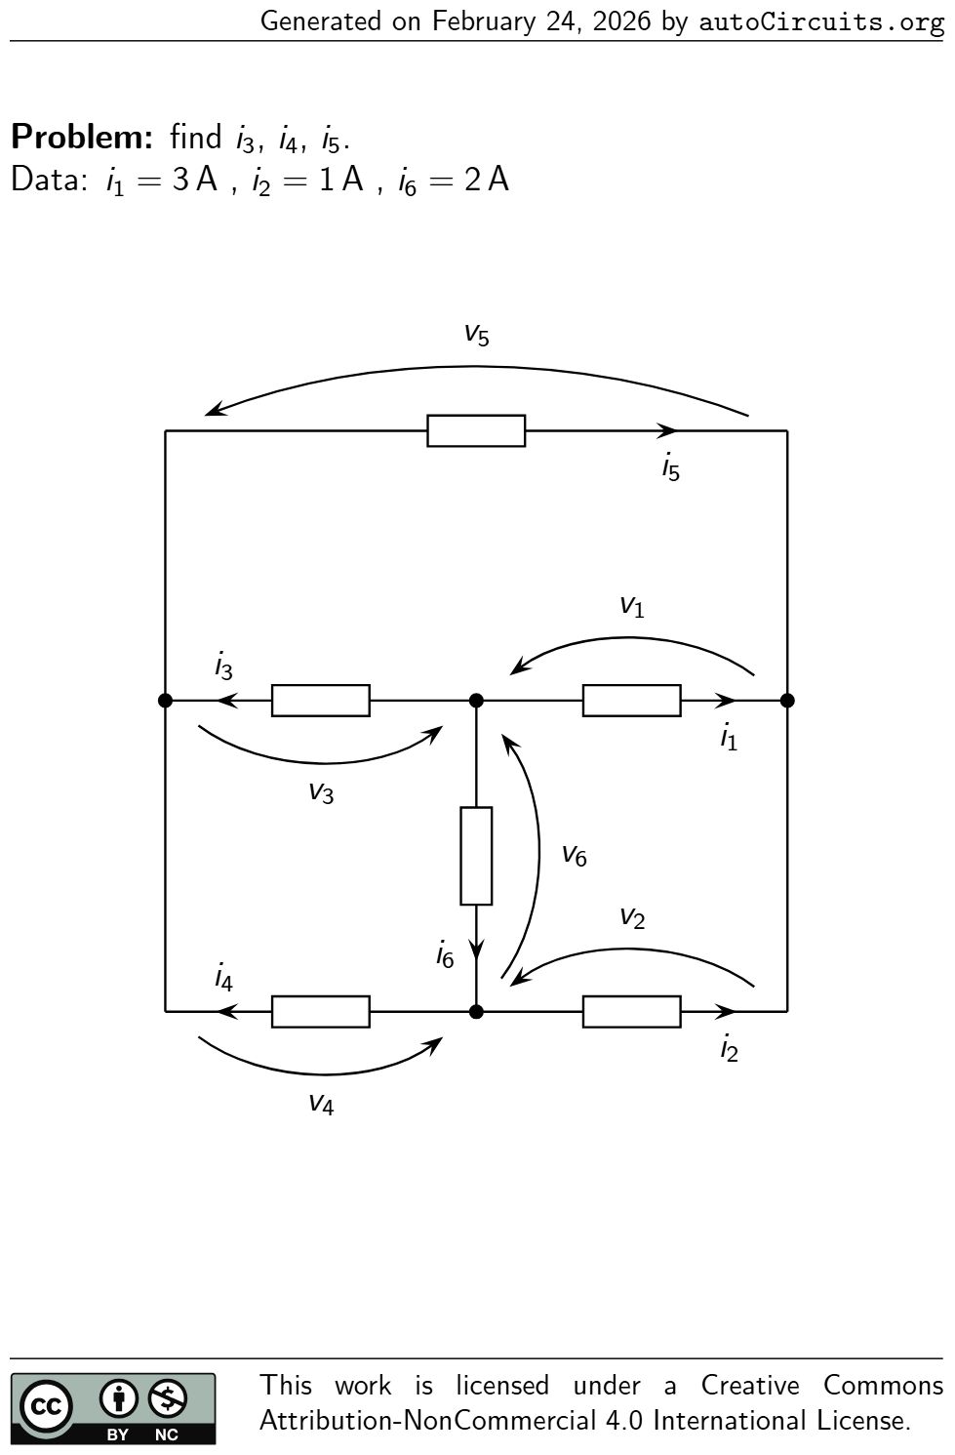 | findi3 ,i4 ,i5 . Data:i1 = 3 A ,i2 = 1 A ,i6 = 2 A v1 i1 v2 i2 v3 i3 v4 i4 v5 i5 v6 i6 | i3 = −5 A i4 = 1 A i5 = −4 A
9 | Kirchhoff Laws | 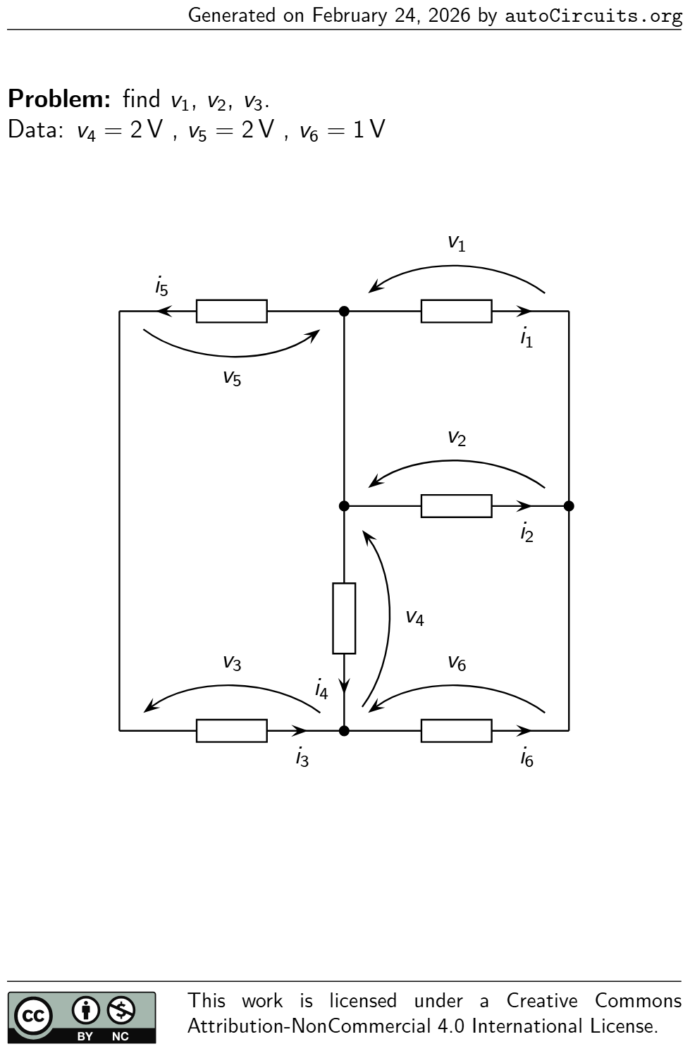 | findv1 ,v2 ,v3 . Data:v4 = 2 V ,v5 = 2 V ,v6 = 1 V v1 i1 v2 i2 v3 i3 v4 i4 v5 i5 v6 i6 | v1 = 3 V v2 = 3 V v3 = 0 V
10 | Kirchhoff Laws | 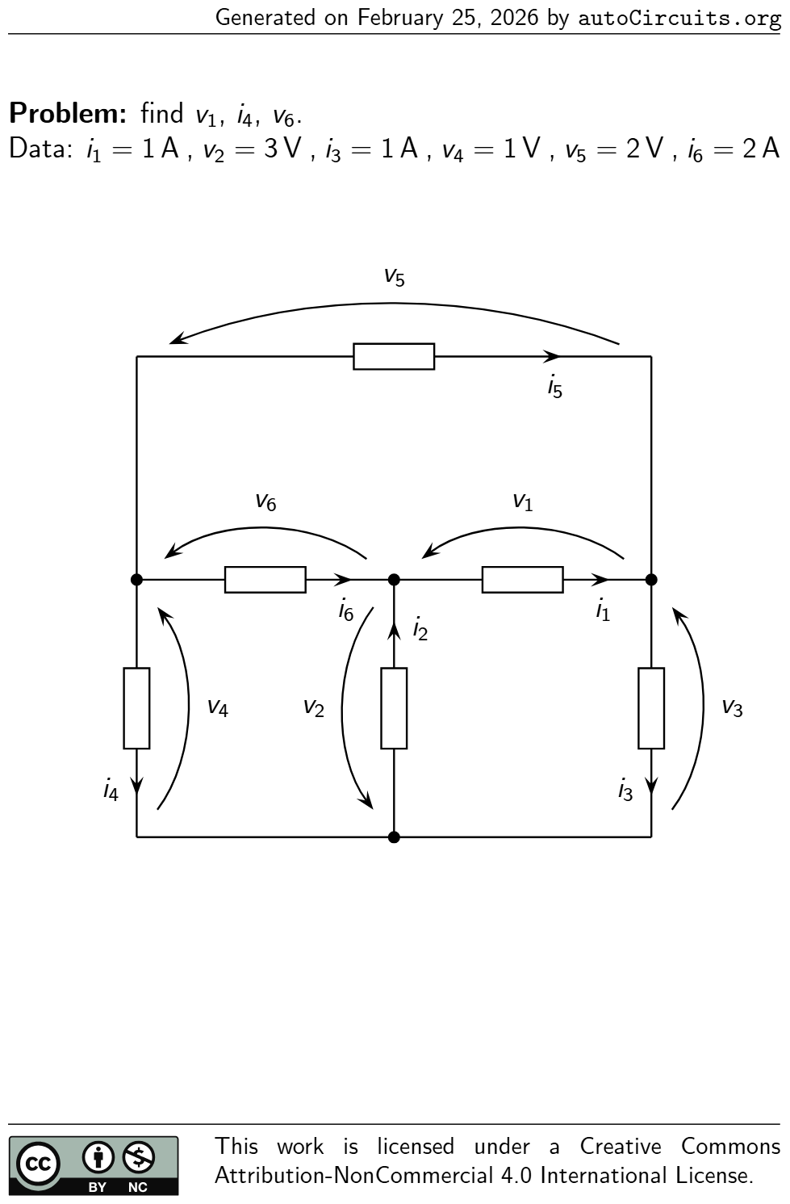 | findv1 ,i4 ,v6 . Data:i1 = 1 A ,v2 = 3 V ,i3 = 1 A ,v4 = 1 V ,v5 = 2 V ,i6 = 2 A v1 i1 v2 i2 v3 i3 v4 i4 v5 i5 v6 i6 | v1 = −2 V i4 = −2 A v6 = 4 V
11 | Kirchhoff Laws | 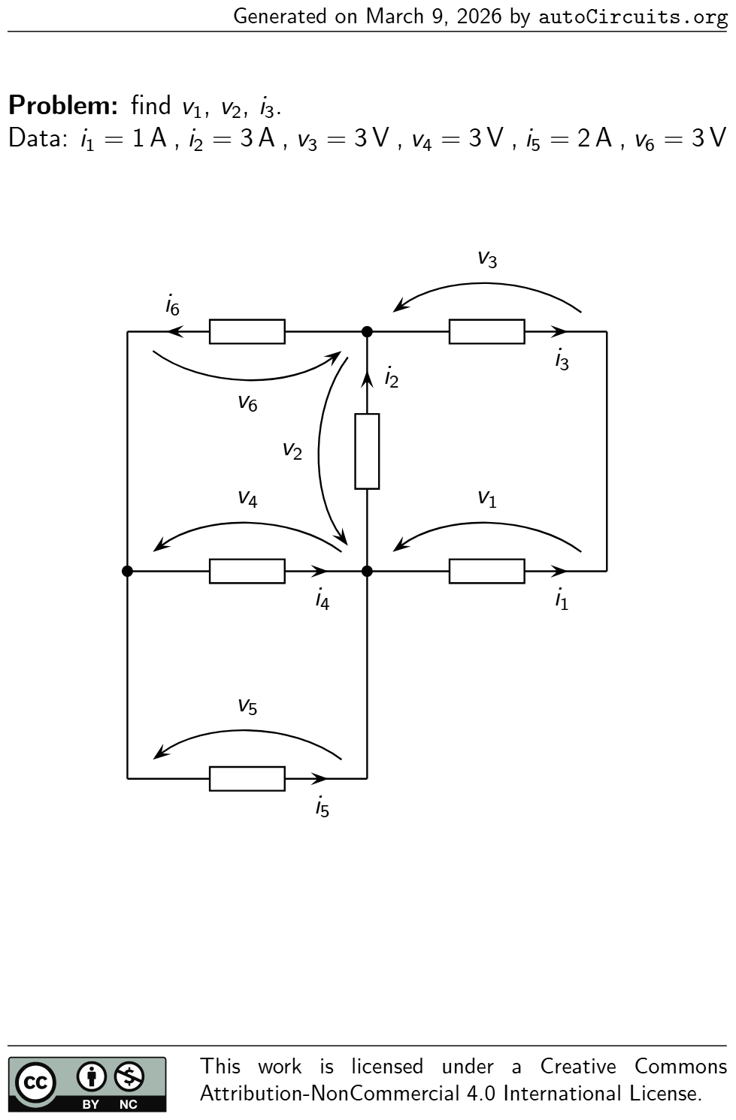 | findv1 ,v2 ,i3 . Data:i1 = 1 A ,i2 = 3 A ,v3 = 3 V ,v4 = 3 V ,i5 = 2 A ,v6 = 3 V v1 i1 v2 i2 v3 i3 v4 i4 v5 i5 v6 i6 | v1 = −3 V v2 = −6 V i3 = −1 A
12 | Kirchhoff Laws | 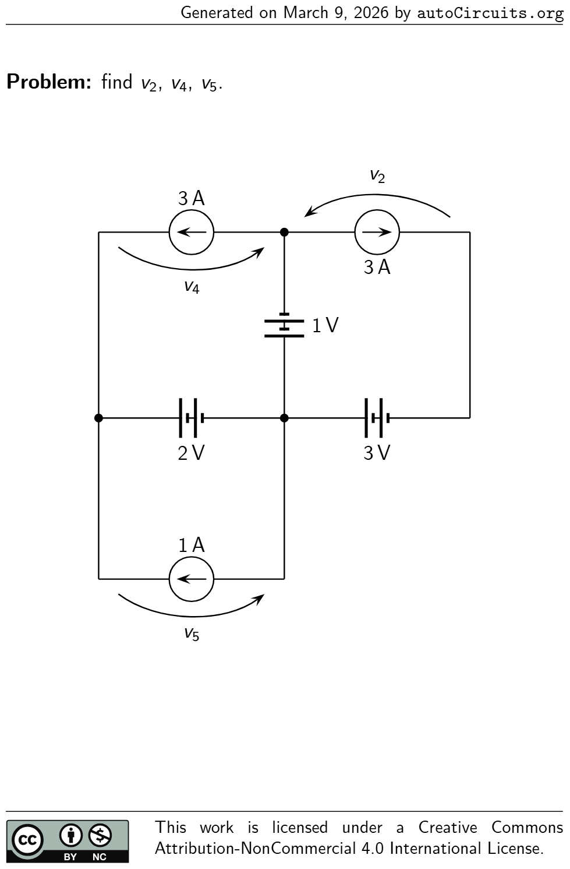 | findv2 ,v4 ,v5 . 3 V v2 3 A 2 V v4 3 A v5 1 A 1 V | v2 = 2 V v4 = −3 V v5 = −2 V
13 | DC Equivalent Resistance | 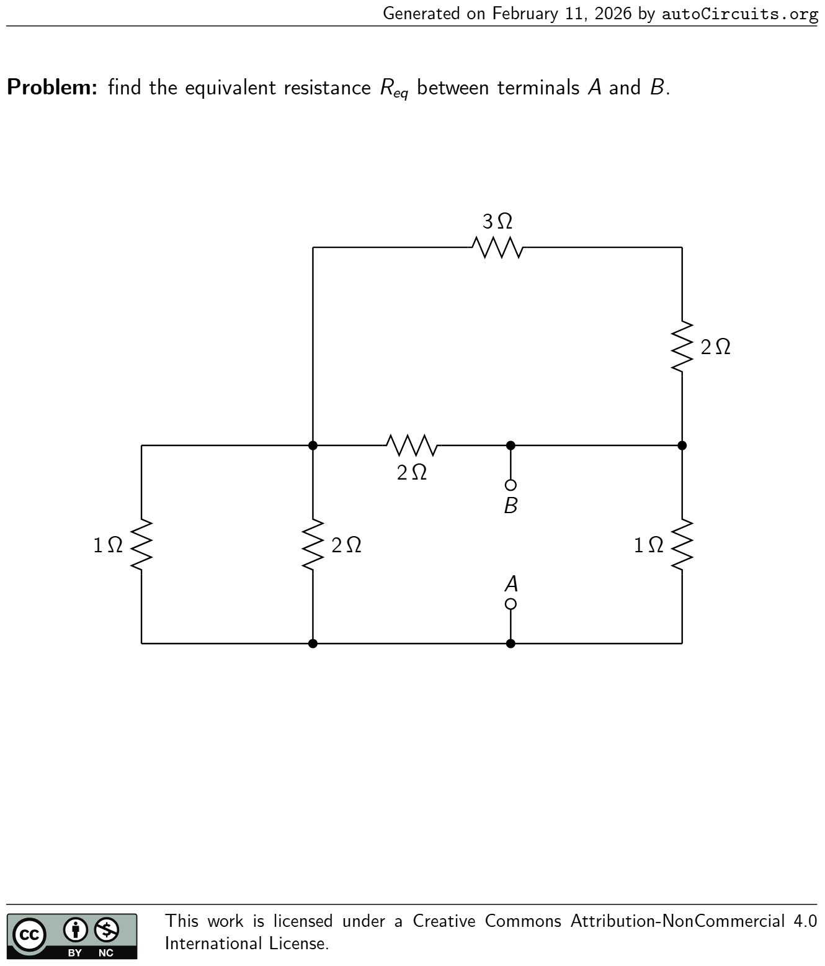 | find the equivalent resistanceR eq between terminalsAandB. 2 Ω 3 Ω 2 Ω 1 Ω 2 Ω 1 Ω A B | R eq = 44 65 Ω
14 | DC Equivalent Resistance | 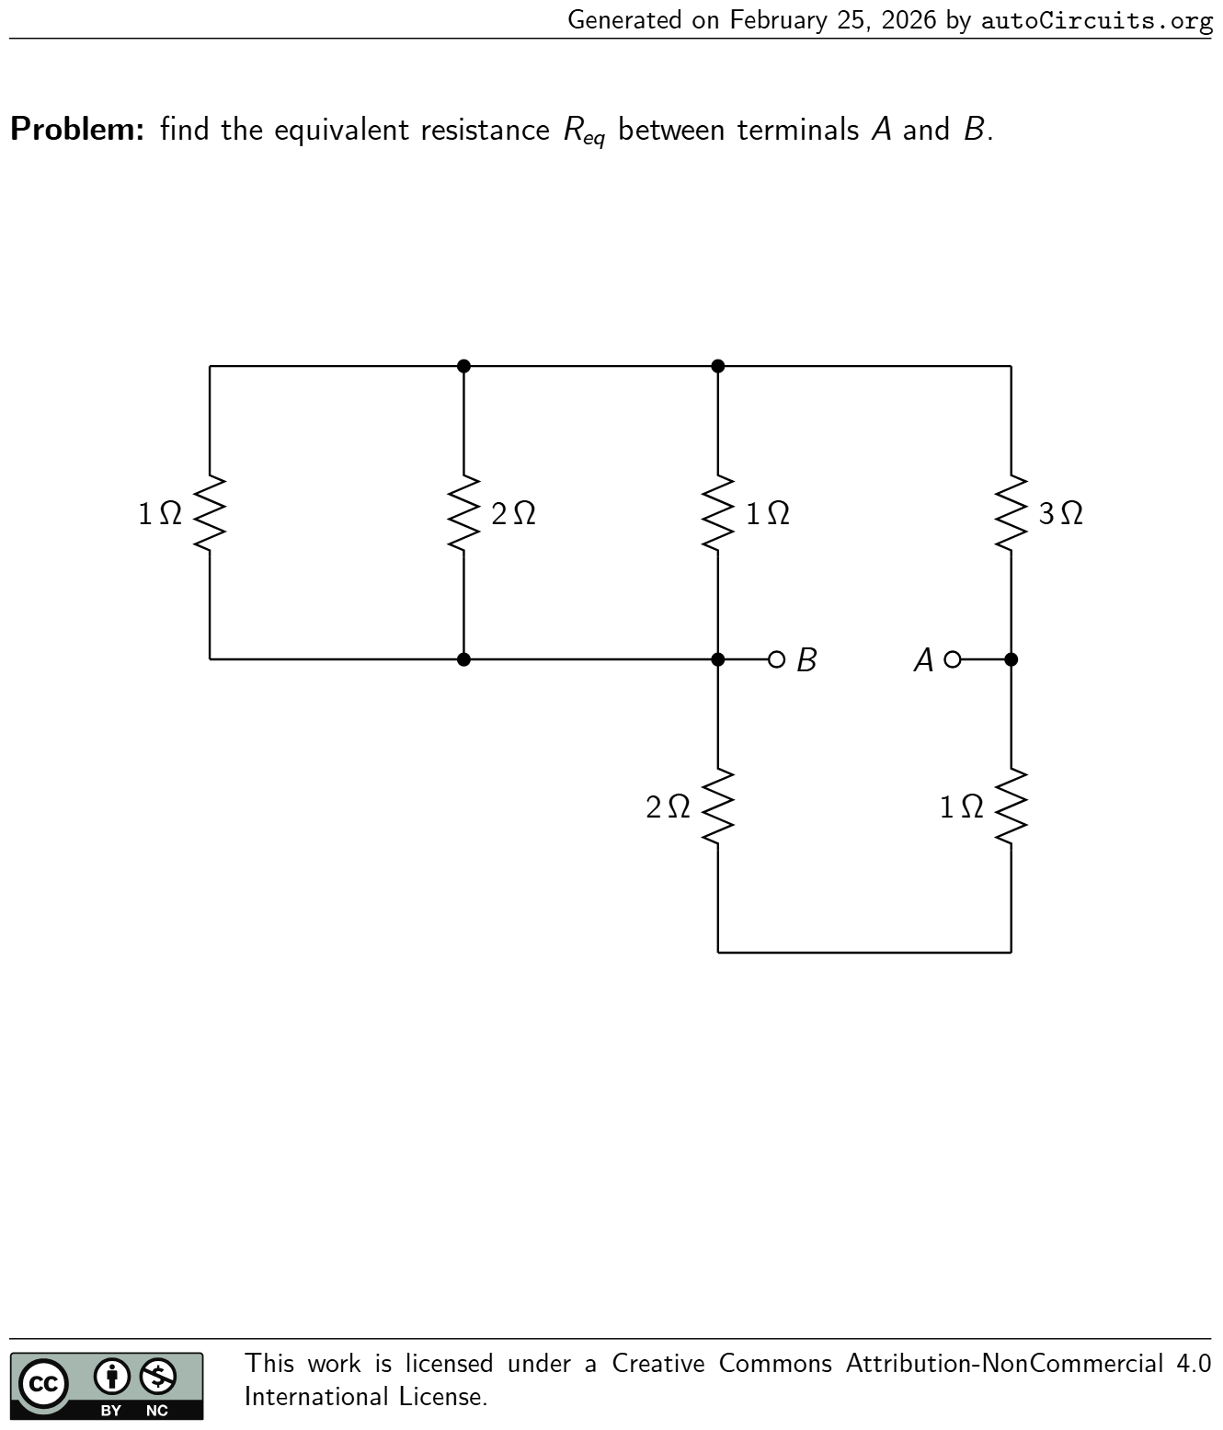 | find the equivalent resistanceR eq between terminalsAandB. 2 Ω 3 Ω 1 Ω 1 Ω2 Ω1 Ω AB | R eq = 51 32 Ω
15 | DC Equivalent Resistance | 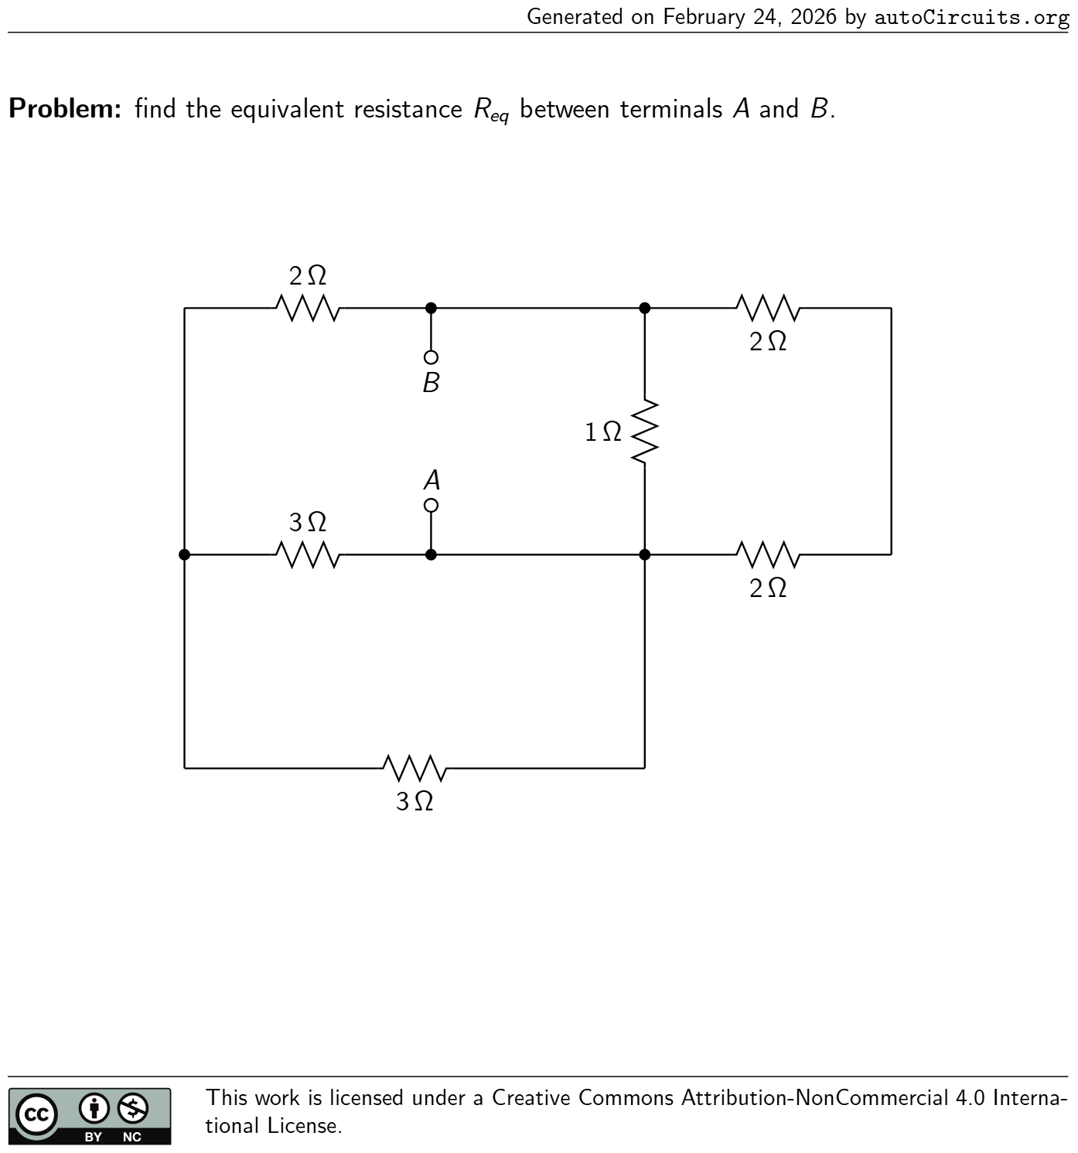 | find the equivalent resistanceR eq between terminalsAandB. 3 Ω 3 Ω 2 Ω 2 Ω 1 Ω 2 Ω A B | R eq = 28 43 Ω
16 | DC Equivalent Resistance | 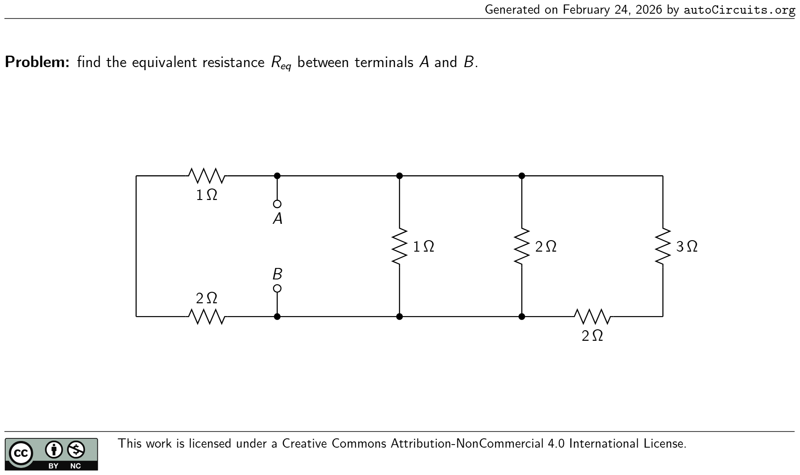 | find the equivalent resistanceR eq between terminalsAandB. 2 Ω 2 Ω 1 Ω 3 Ω 2 Ω 1 Ω A B | R eq = 30 61 Ω
17 | DC Equivalent Resistance | 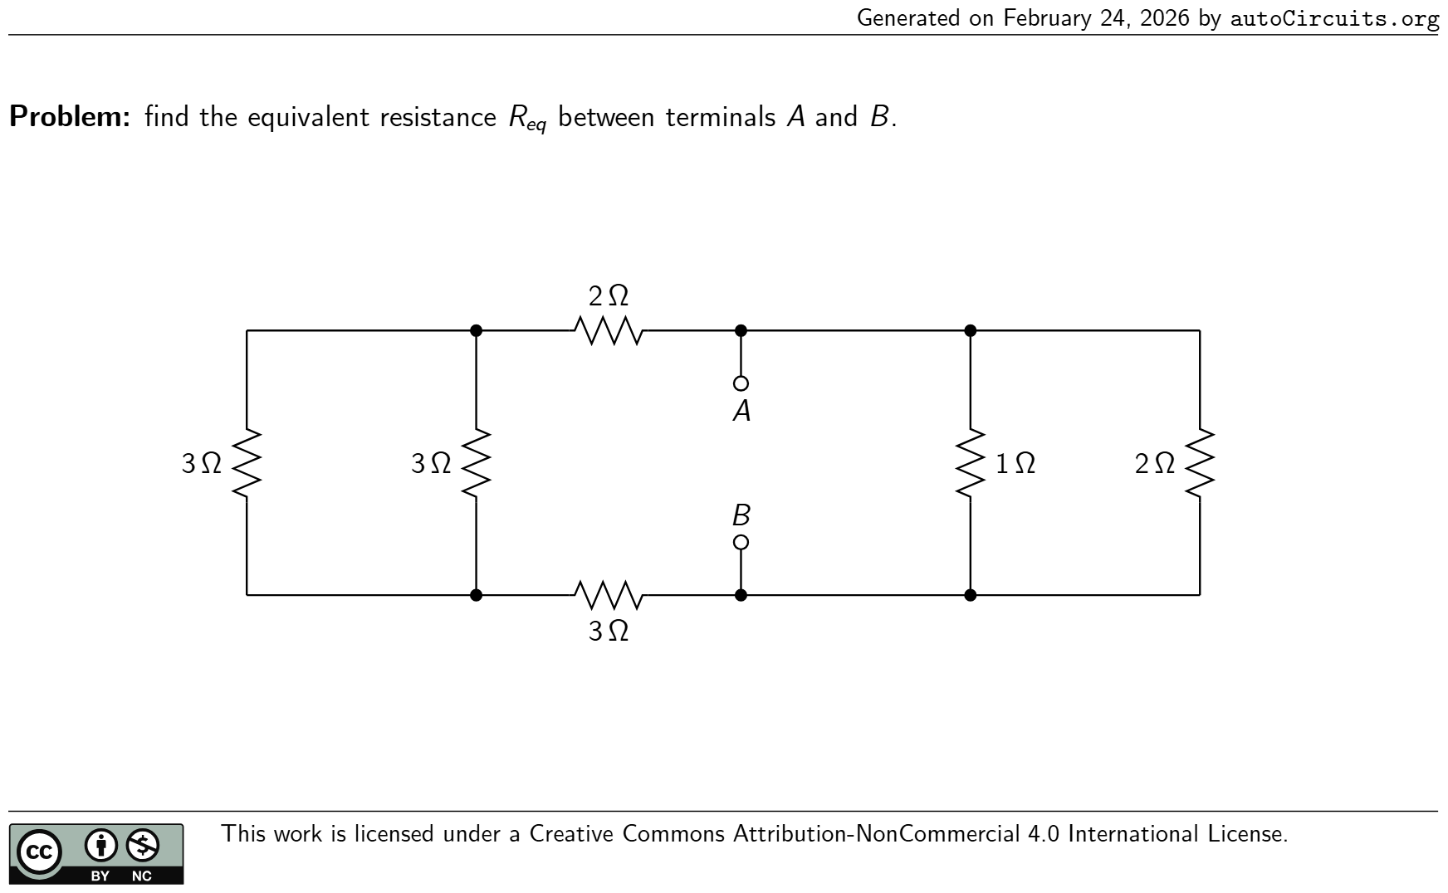 | find the equivalent resistanceR eq between terminalsAandB. 3 Ω 3 Ω 2 Ω 2 Ω3 Ω1 Ω A B | R eq = 26 43 Ω
18 | DC Equivalent Resistance | 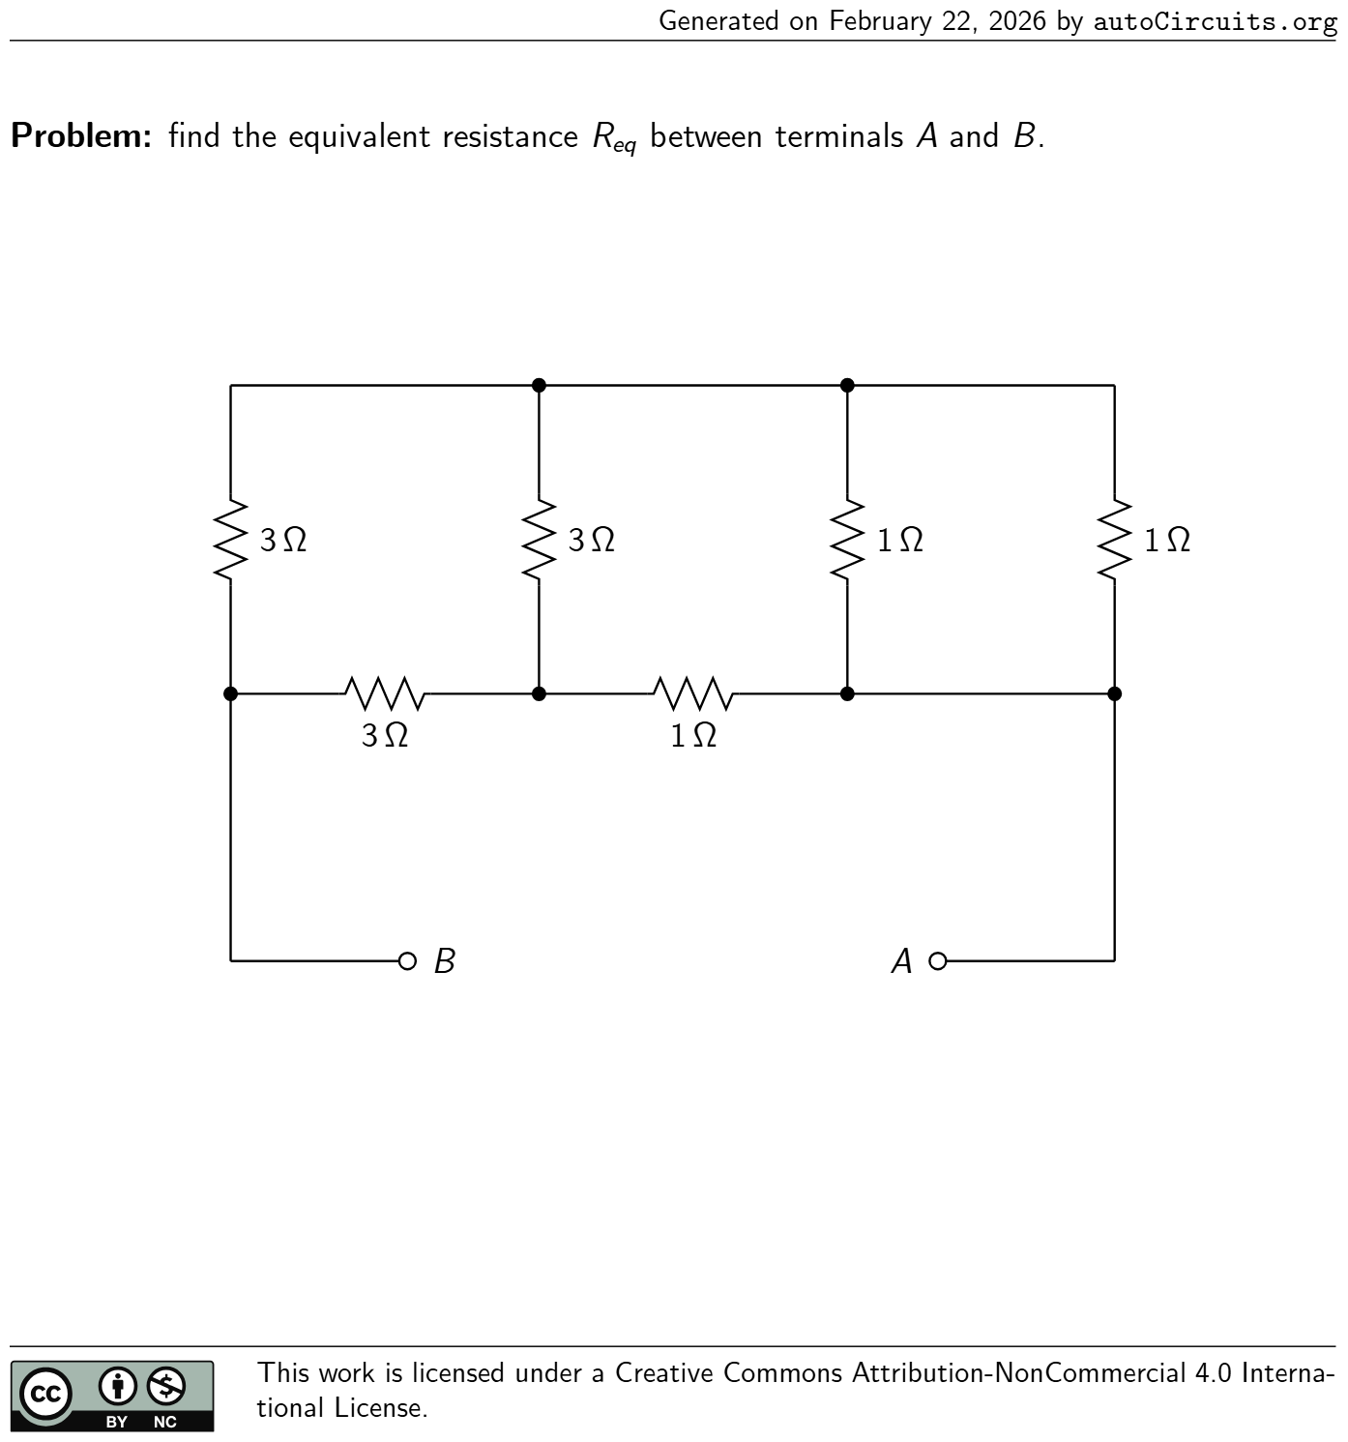 | find the equivalent resistanceR eq between terminalsAandB. 1 Ω 3 Ω1 Ω3 Ω 3 Ω 1 Ω AB | R eq = 13 7 Ω
19 | DC Equivalent Resistance | 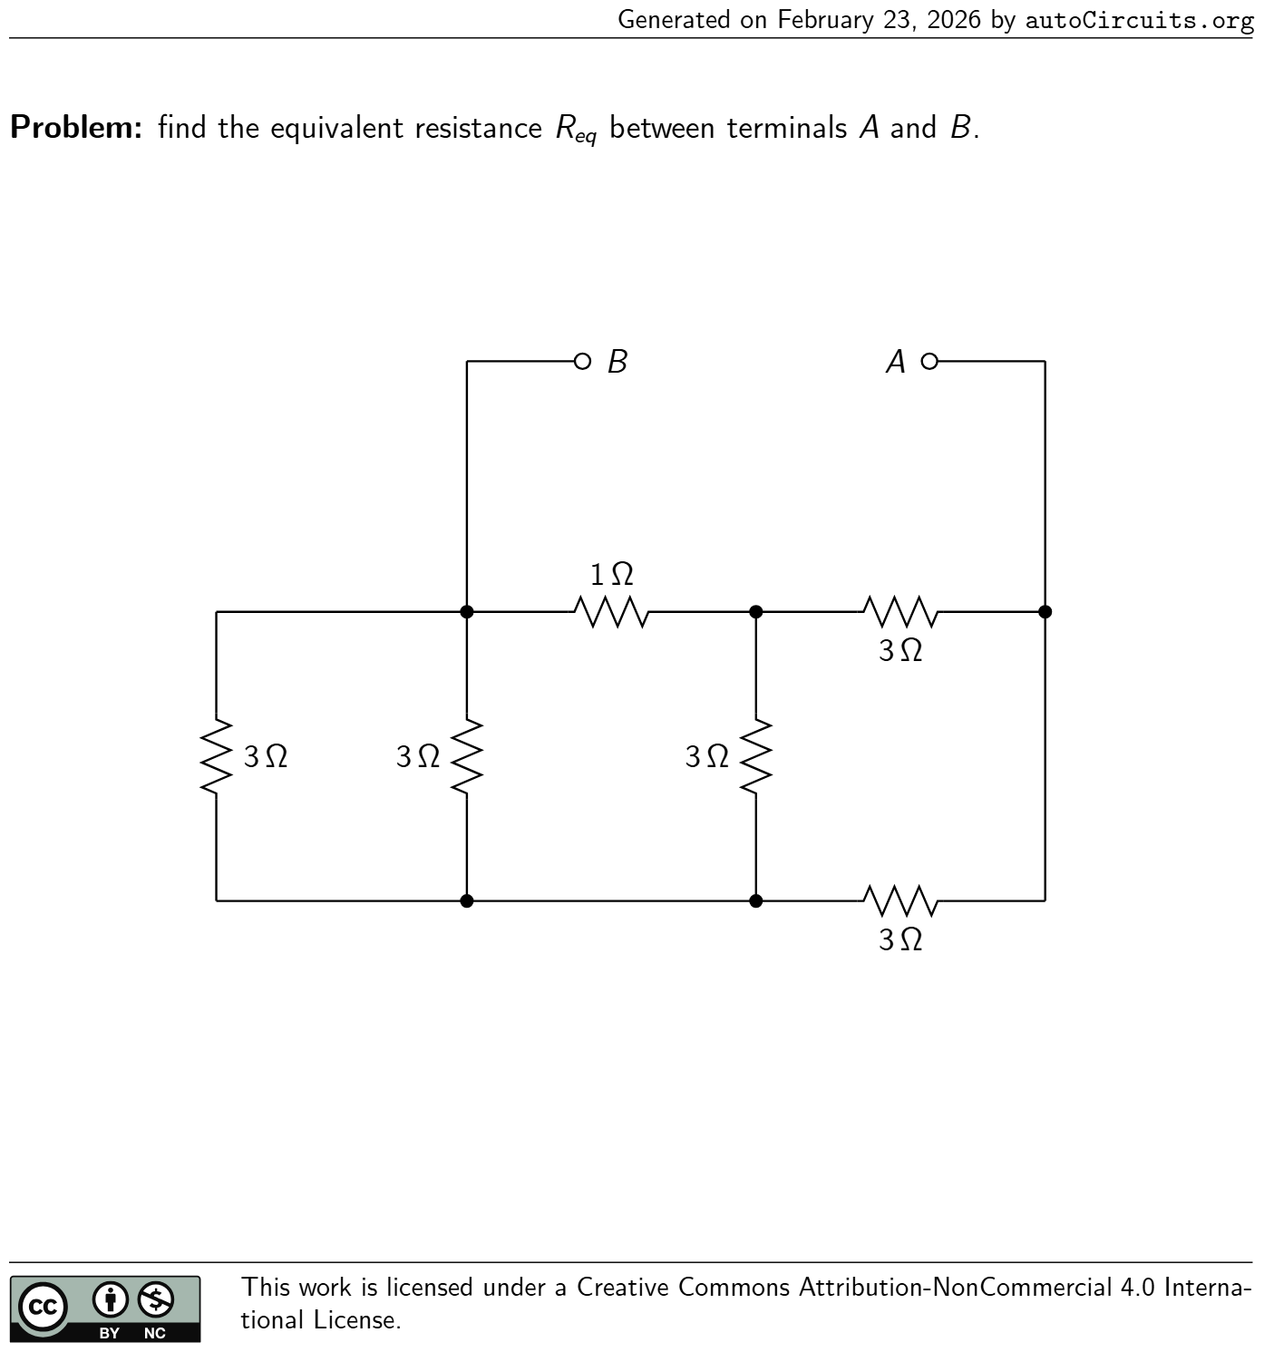 | find the equivalent resistanceR eq between terminalsAandB. 1 Ω 3 Ω 3 Ω 3 Ω 3 Ω3 Ω AB | R eq = 19 9 Ω
20 | DC Equivalent Resistance | 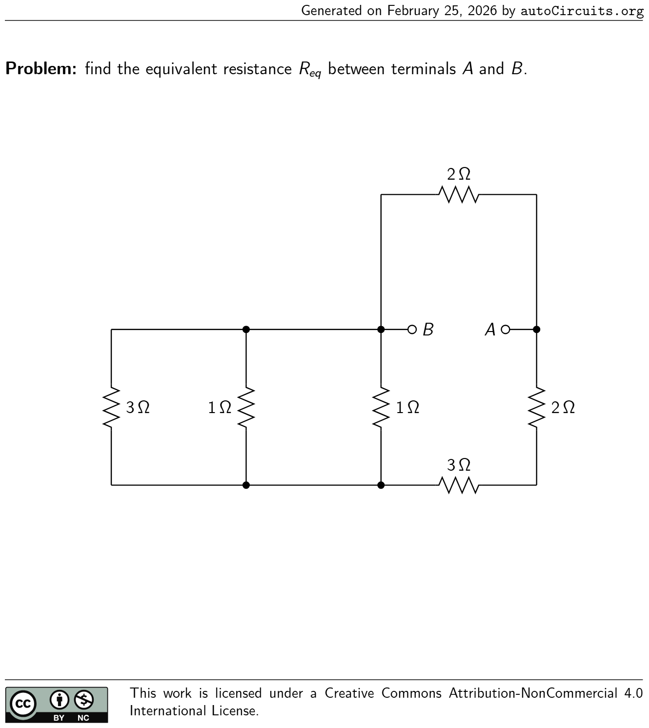 | find the equivalent resistanceR eq between terminalsAandB. 2 Ω 2 Ω 1 Ω 3 Ω 1 Ω3 Ω AB | R eq = 19 13 Ω
21 | DC Equivalent Resistance | 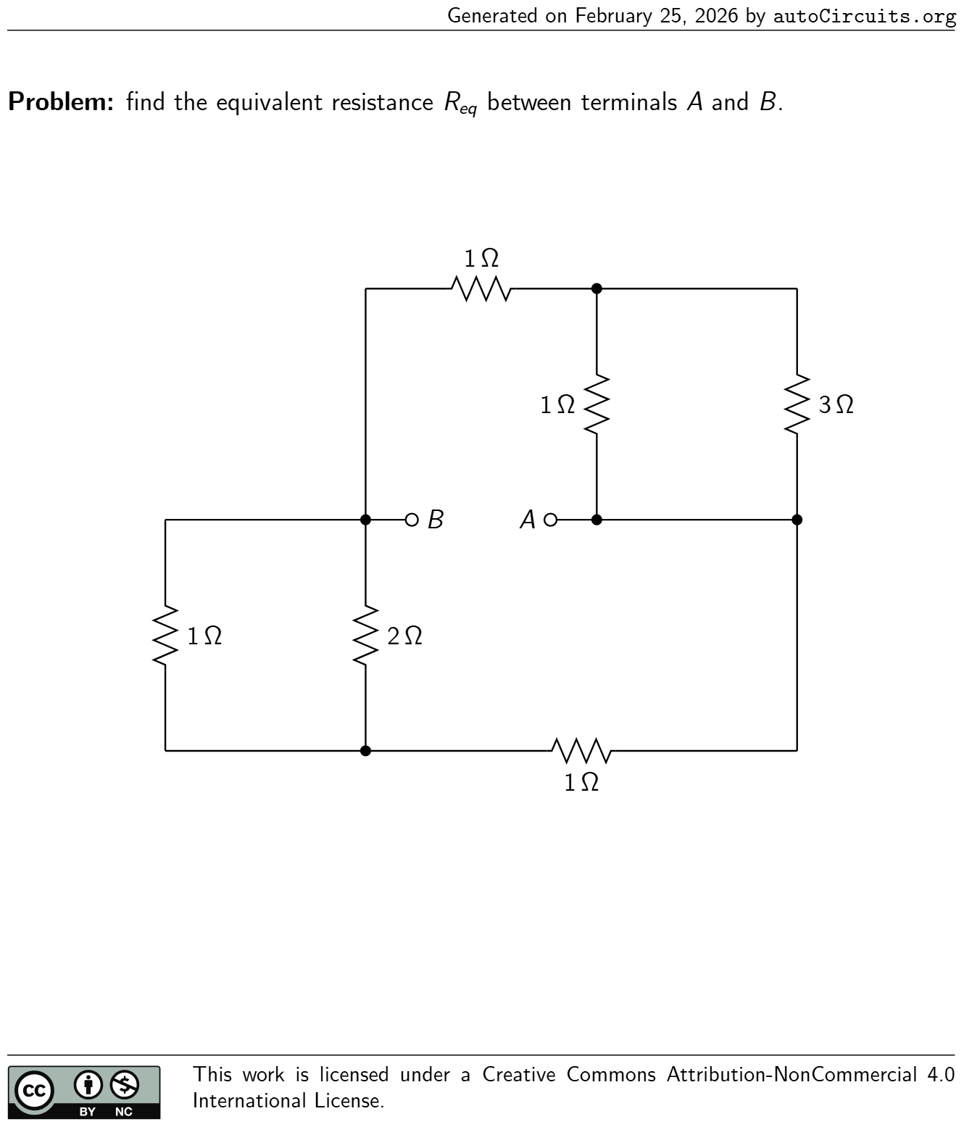 | find the equivalent resistanceR eq between terminalsAandB. 3 Ω 2 Ω1 Ω 1 Ω 1 Ω 1 Ω AB | R eq = 35 41 Ω
22 | DC Equivalent Resistance |  | find the equivalent resistanceR eq between terminalsAandB. 2 Ω2 Ω3 Ω 1 Ω 1 Ω 2 Ω A B | R eq = 6 7 Ω
23 | DC Two-Ports | 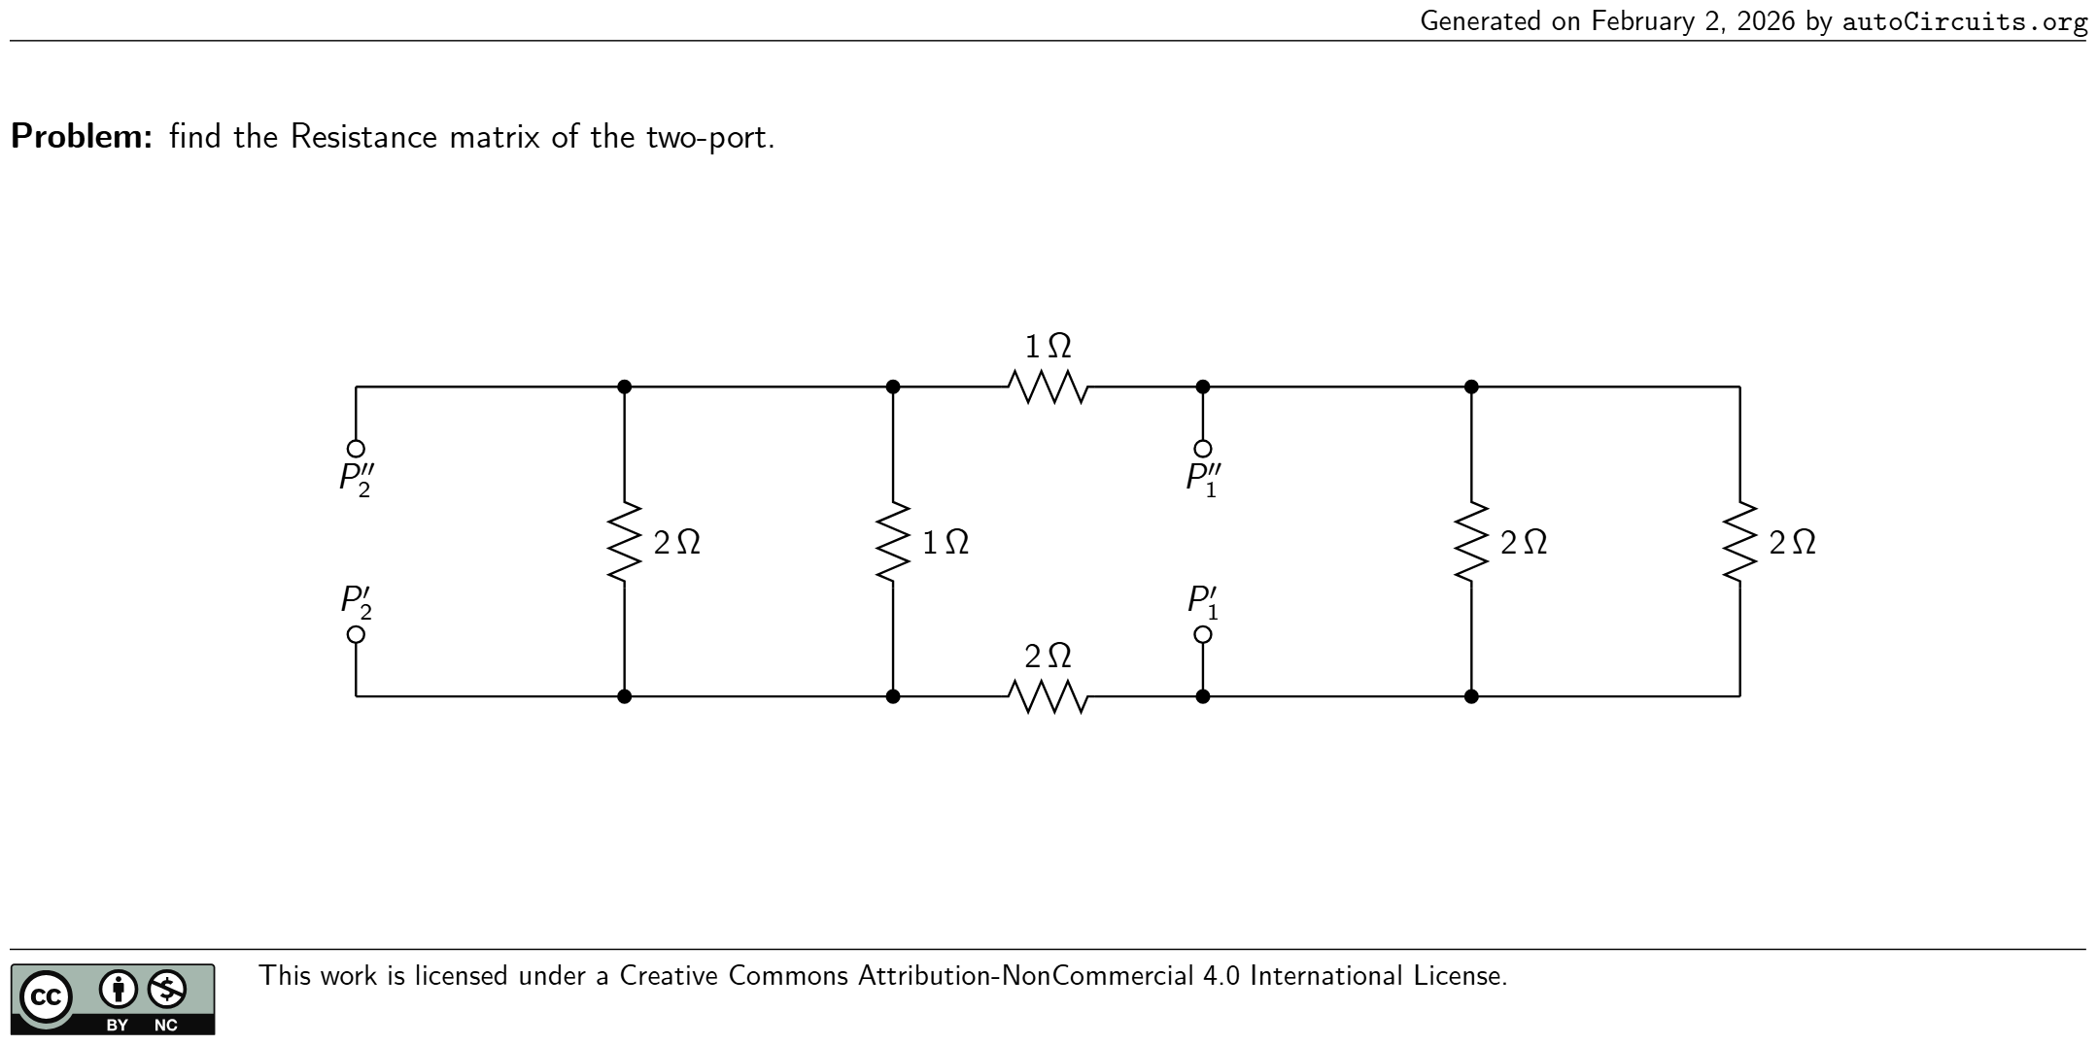 | find the Resistance matrix of the two-port. 2 Ω 1 Ω 1 Ω2 Ω2 Ω2 Ω P ′ 1 P ′′ 1 P ′ 2 P ′′ 2 | R = ( 11 14 1 7 1 7 4 7 ) Ω
24 | DC Two-Ports | 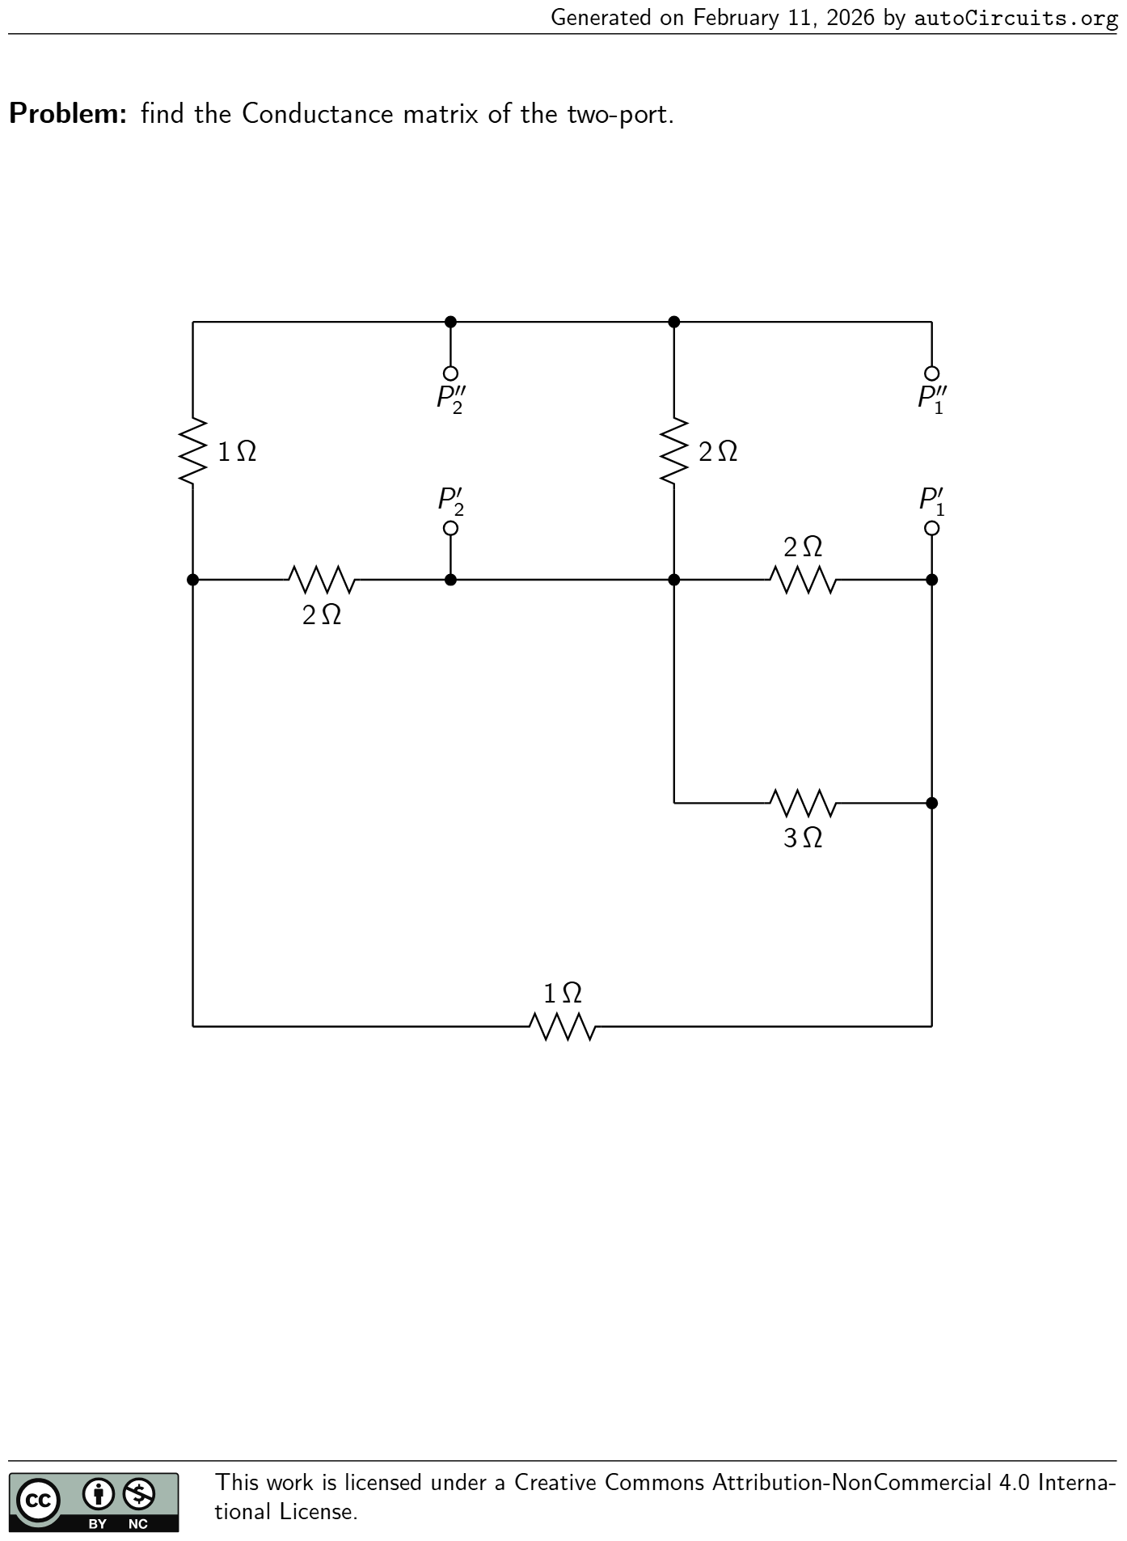 | find the Conductance matrix of the two-port. 2 Ω 1 Ω 3 Ω 1 Ω 2 Ω 2 Ω P ′ 1 P ′′ 1 P ′ 2 P ′′ 2 | G = ( 43 30 −31 30 −31 30 26 15 ) S
25 | DC Two-Ports | 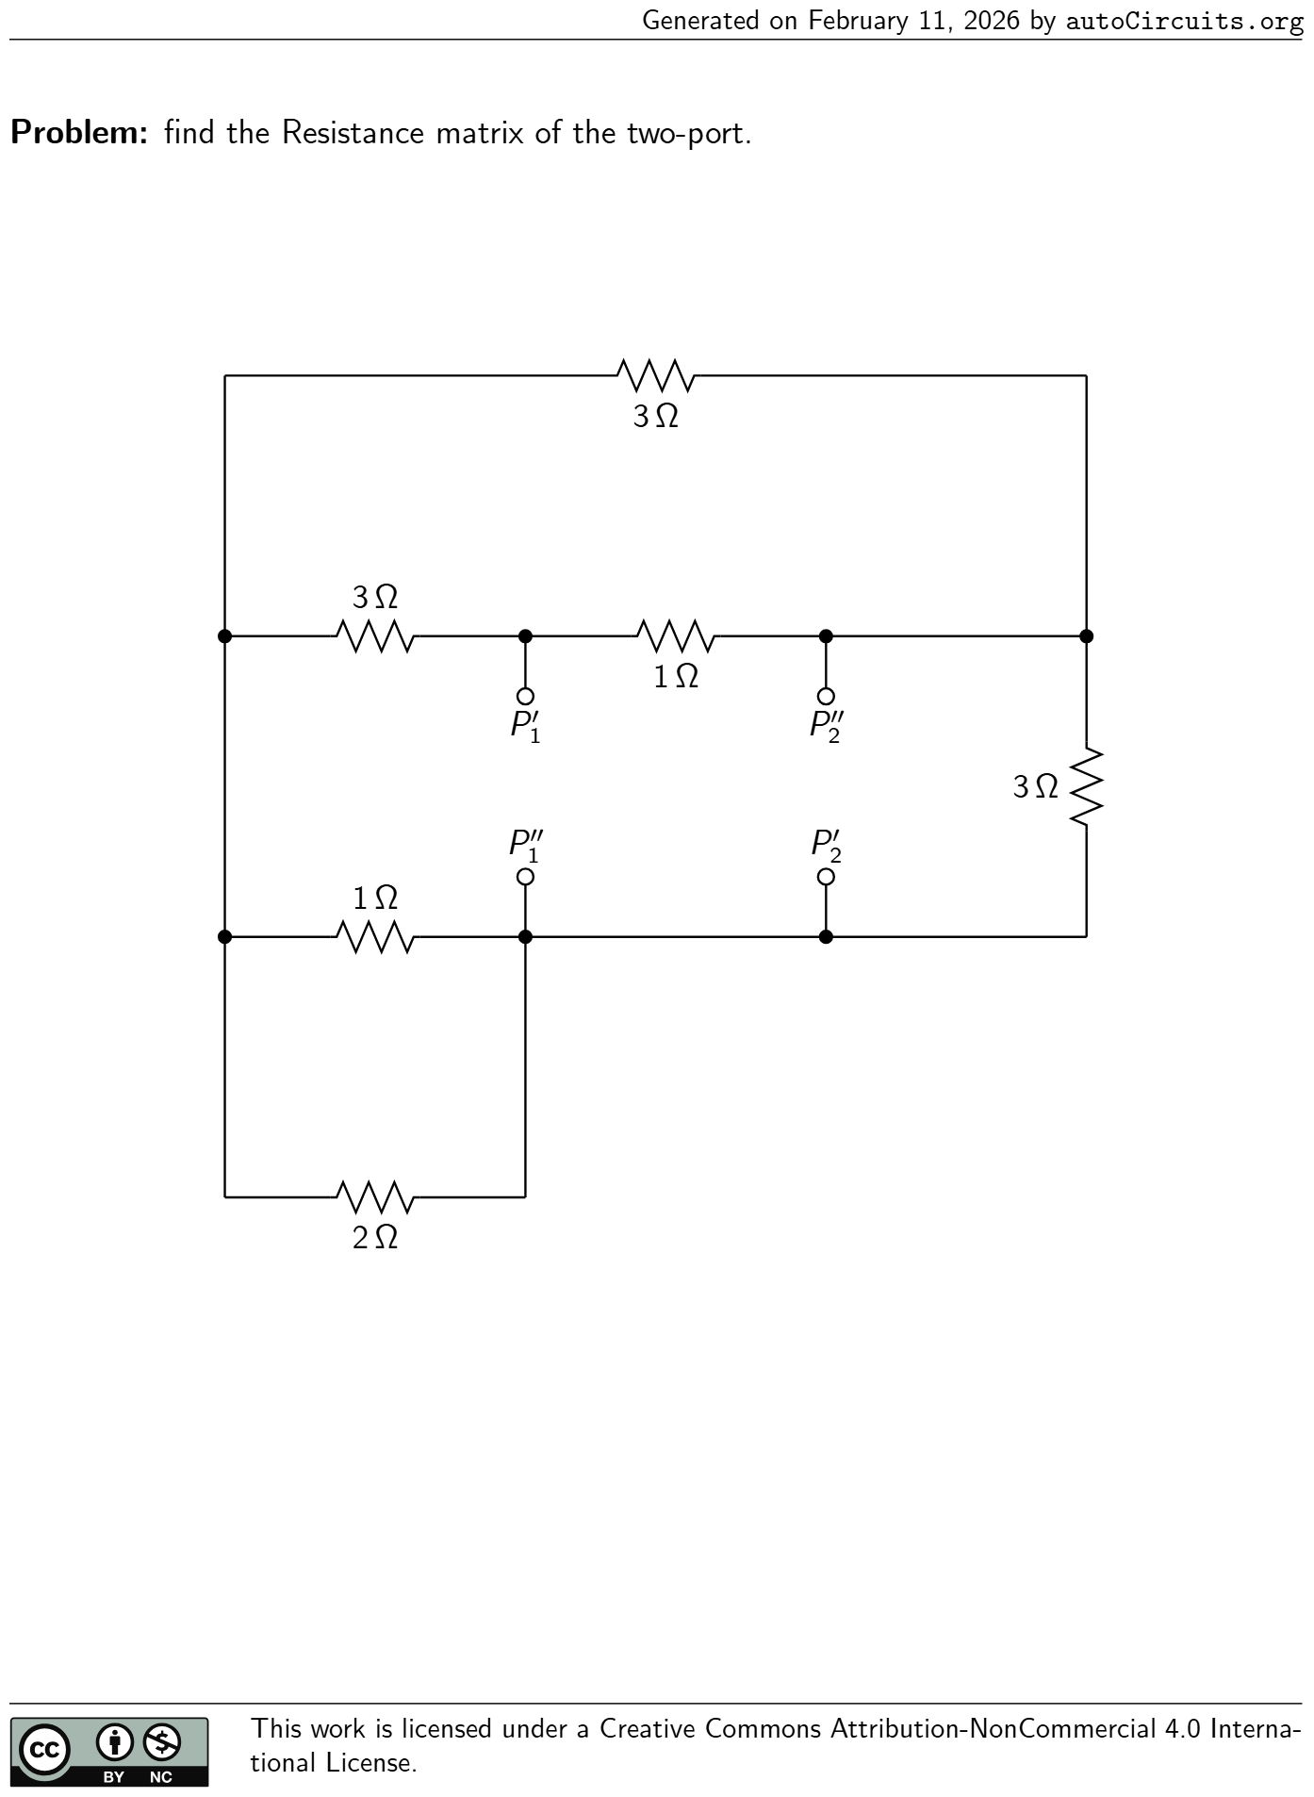 | find the Resistance matrix of the two-port. 3 Ω 1 Ω 1 Ω 3 Ω 3 Ω 2 Ω P ′ 1 P ′′ 1 P ′ 2 P ′′ 2 | R = ( 1.673−1.088 −1.088 1.327 ) Ω
26 | DC Two-Ports | 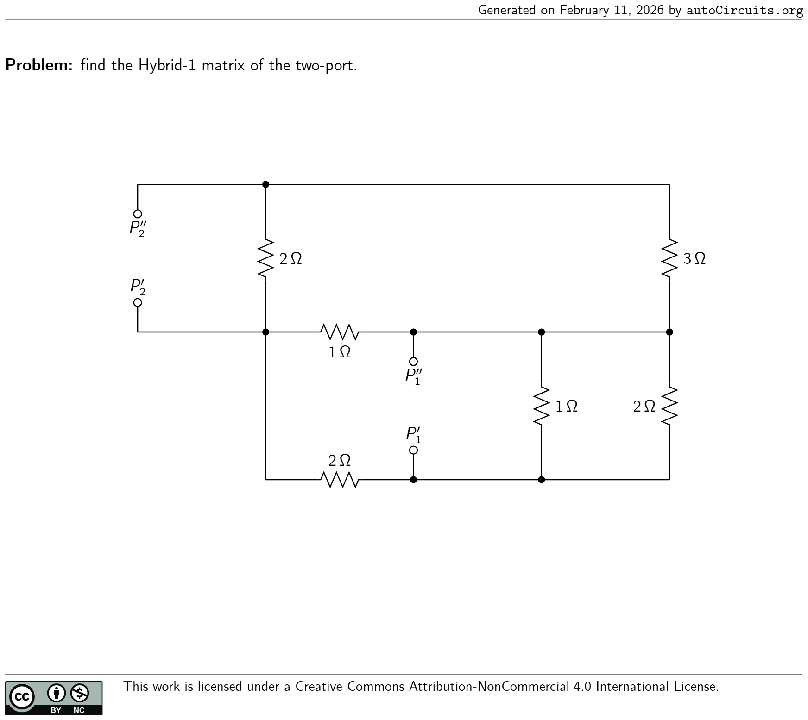 | find the Hybrid-1 matrix of the two-port. 2 Ω 3 Ω 2 Ω 2 Ω 1 Ω 1 Ω P ′ 1 P ′′ 1 P ′ 2 P ′′ 2 | h = ( 22 41 2 41 −2 41 63 82 )
27 | DC Two-Ports |  | find the Conductance matrix of the two-port. 1 Ω 1 Ω 1 Ω 1 Ω 3 Ω3 Ω P ′ 1 P ′′ 1 P ′ 2 P ′′ 2 | G = ( 7 3 −1 −1 11 7 ) S
28 | DC Two-Ports | 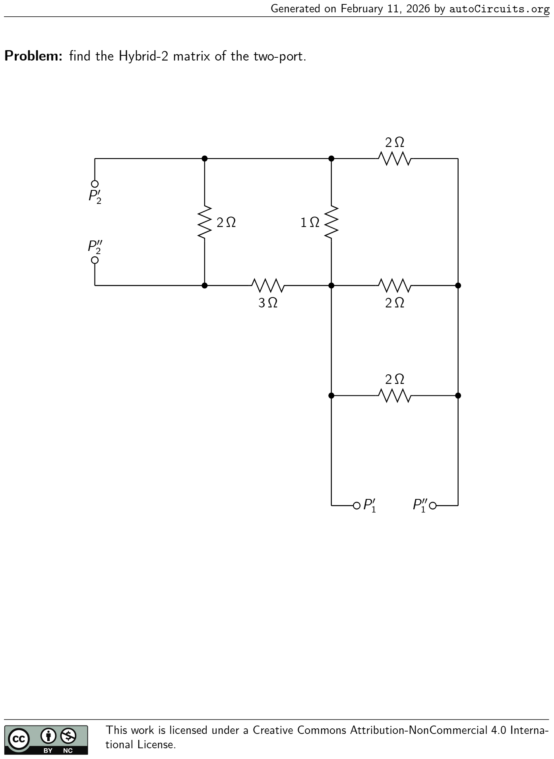 | find the Hybrid-2 matrix of the two-port. 2 Ω 2 Ω 2 Ω3 Ω 1 Ω 2 Ω P ′ 1 P ′′ 1 P ′ 2 P ′′ 2 | g = ( 23 17 2 17 −2 17 22 17 )
29 | DC Two-Ports | 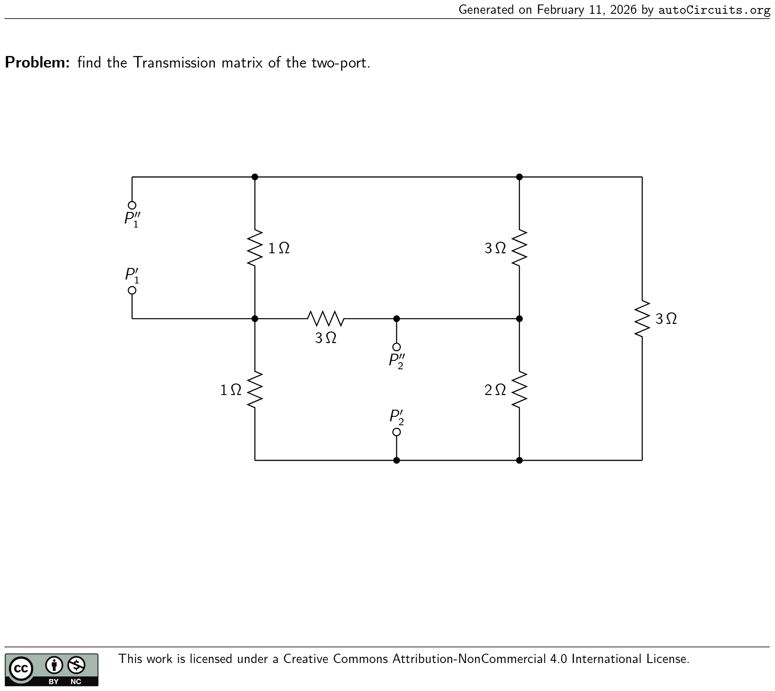 | find the Transmission matrix of the two-port. 2 Ω 3 Ω 1 Ω 3 Ω 1 Ω 3 Ω P ′ 1 P ′′ 1 P ′ 2 P ′′ 2 | T = ( 17 2 9 73 6 13 )
30 | DC Two-Ports | 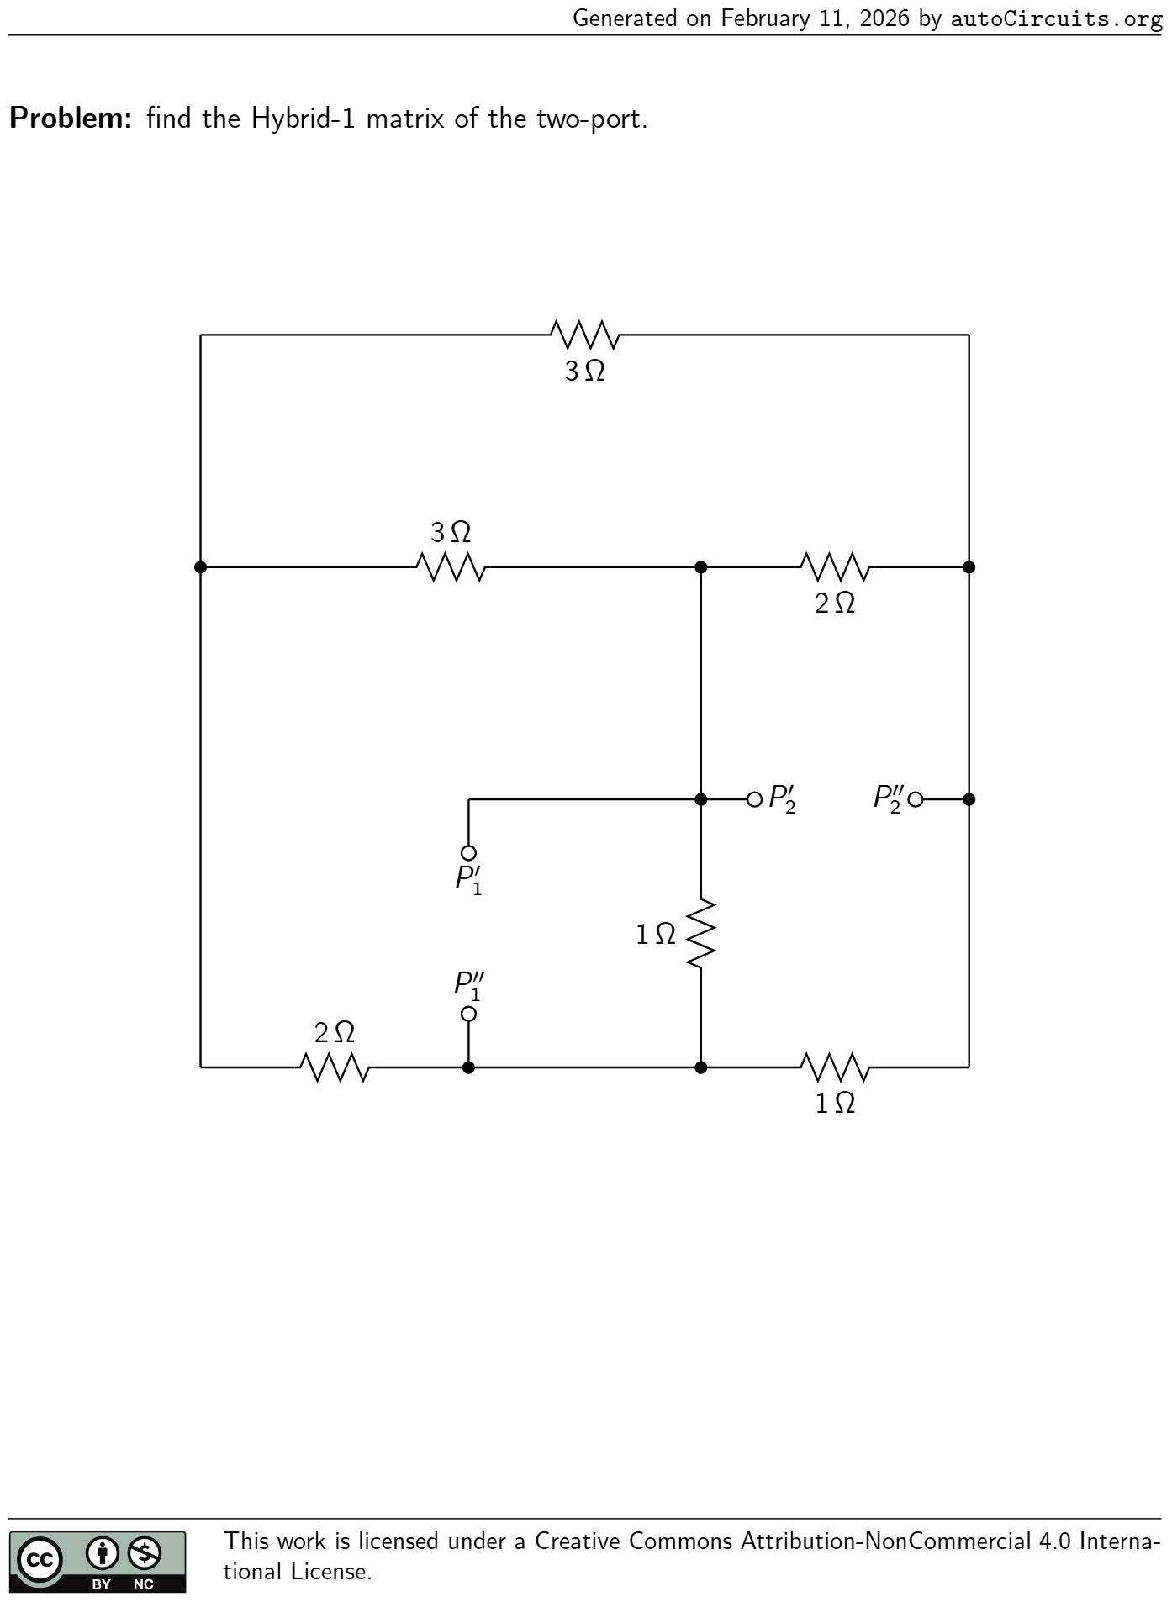 | find the Hybrid-1 matrix of the two-port. 3 Ω 2 Ω 3 Ω 2 Ω 1 Ω 1 Ω P ′ 1 P ′′ 1 P ′ 2 P ′′ 2 | h = ( 7 16 1 2 −1 2 7 6 )
31 | DC Two-Ports | 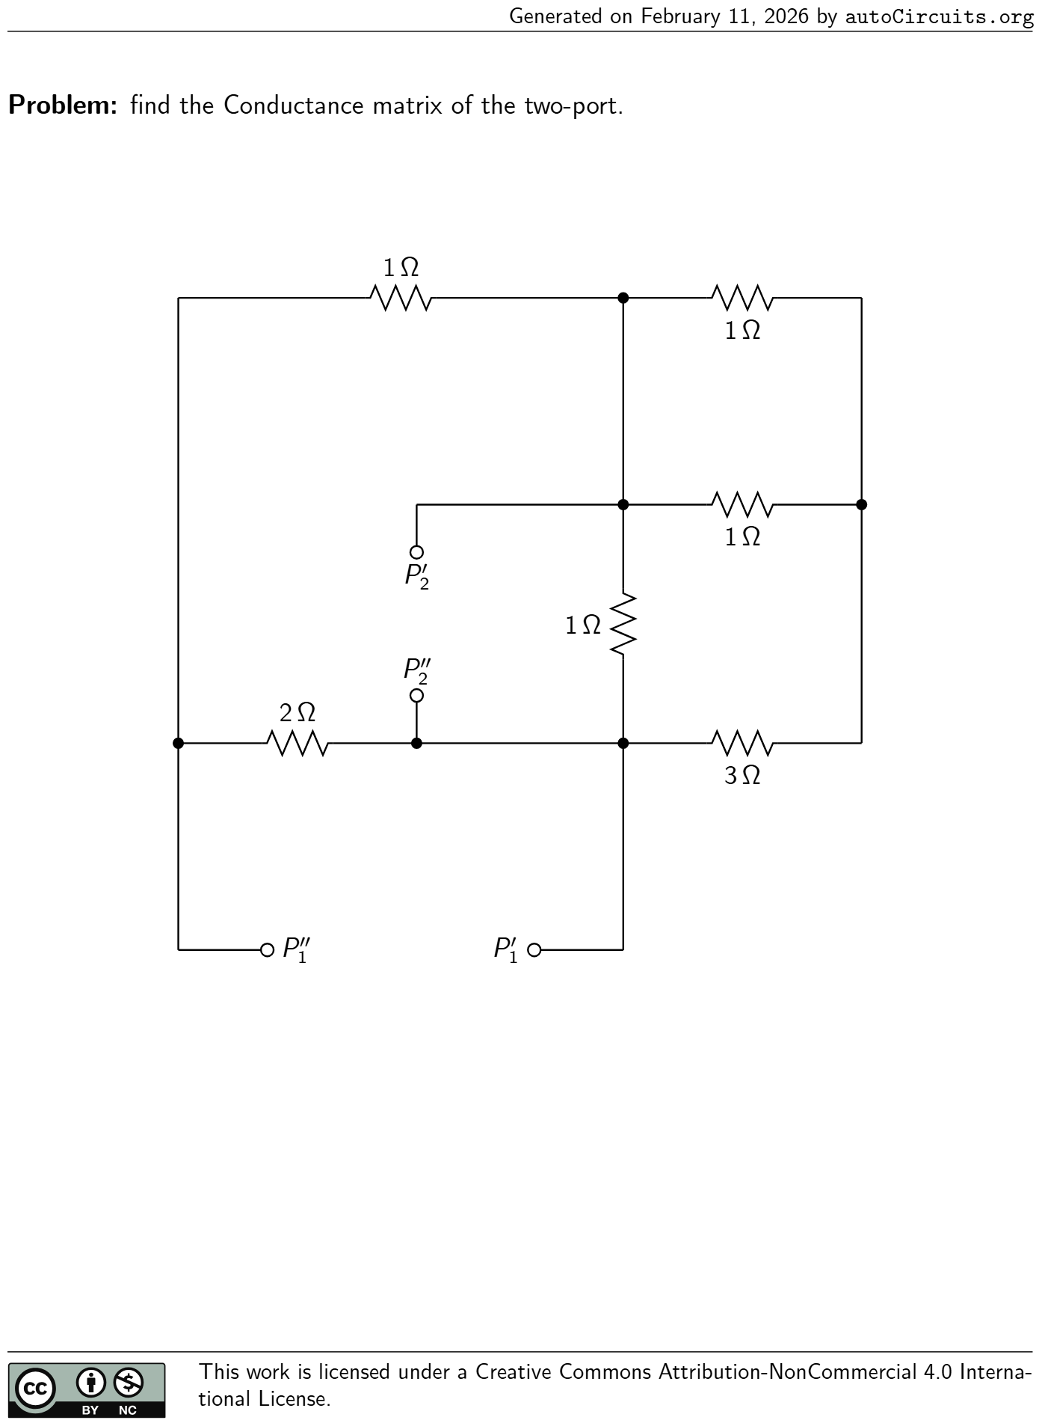 | find the Conductance matrix of the two-port. 2 Ω 3 Ω 1 Ω 1 Ω 1 Ω 1 Ω P ′ 1 P ′′ 1 P ′ 2 P ′′ 2 | G = ( 3 2 1 1 16 7 ) S
32 | DC Two-Ports | 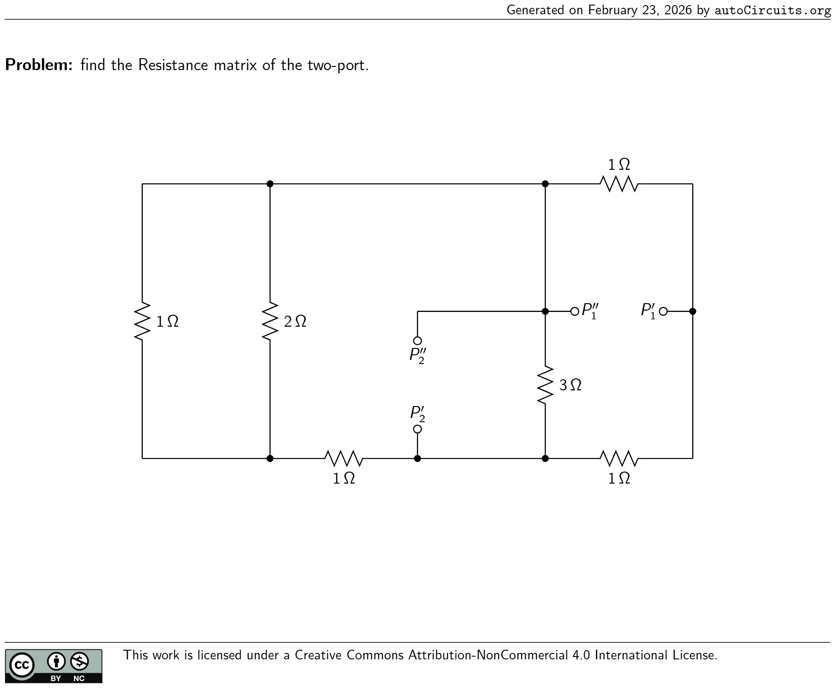 | find the Resistance matrix of the two-port. 1 Ω1 Ω 2 Ω 1 Ω 1 Ω 3 Ω P ′ 1 P ′′ 1 P ′ 2 P ′′ 2 | R = ( 29 43 15 43 15 43 30 43 ) Ω
33 | AC Circuits | 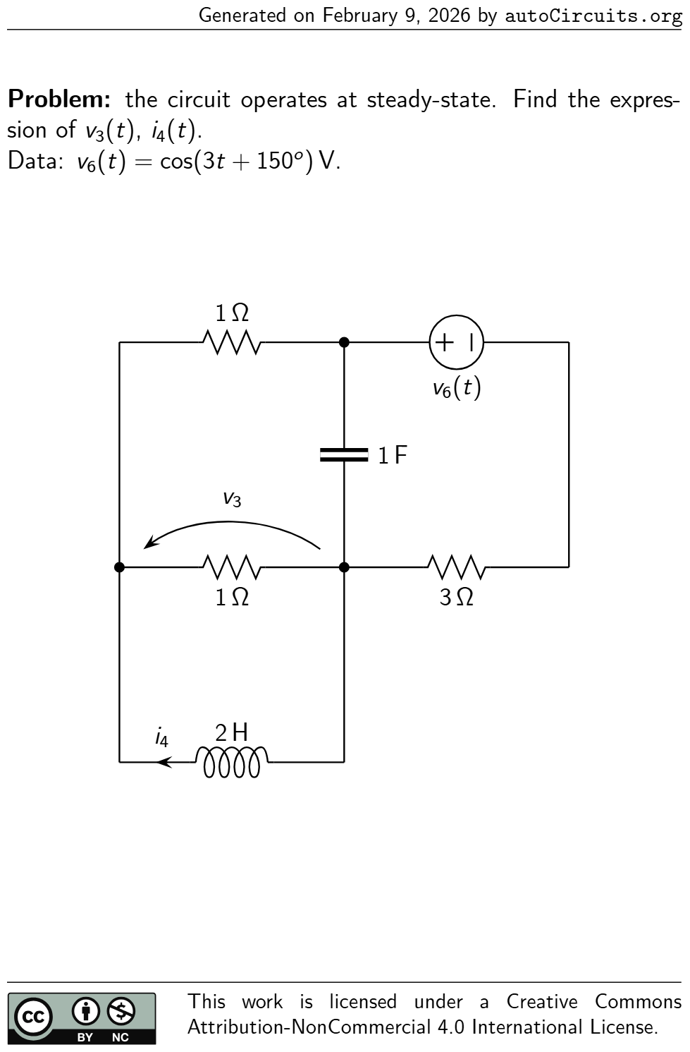 | the circuit operates at steady-state. Find the expres- sion ofv3 (t),i4 (t). Data:v6 (t) = cos(3t+ 150 o ) V. 3 Ω 1 Ω v3 1 Ω 2 H i4 1 F v6 (t) | v3 (t) = 54.019 cos(3t+ 81 o ) mV i4 (t) = 9.003 cos(3t+ 171 o ) mA
34 | AC Circuits | 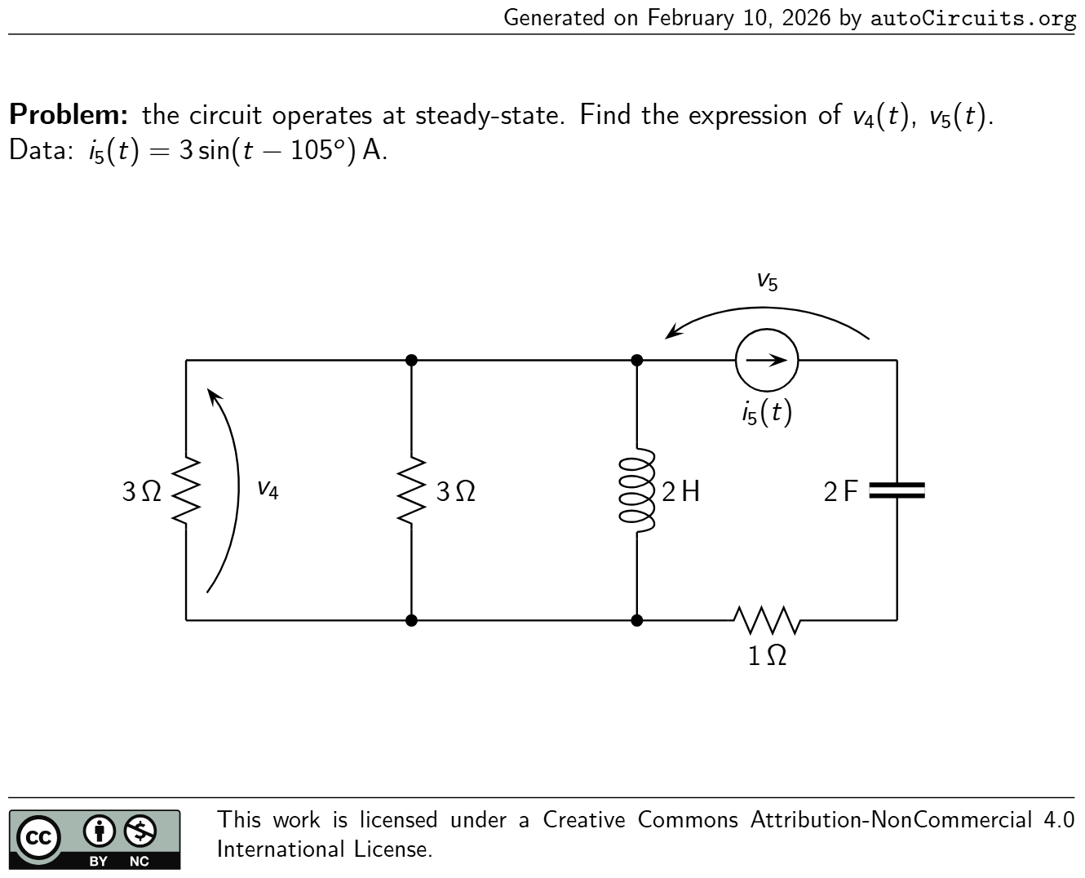 | the circuit operates at steady-state. Find the expression ofv4 (t),v5 (t). Data:i5 (t) = 3 sin(t−105 o ) A. 2 F2 H3 Ω v4 3 Ω v5 i5 (t) 1 Ω | v4 (t) = 3.6 cos(t+ 22 o ) V v5 (t) = 5.917 cos(t−9 o ) V
35 | AC Circuits | 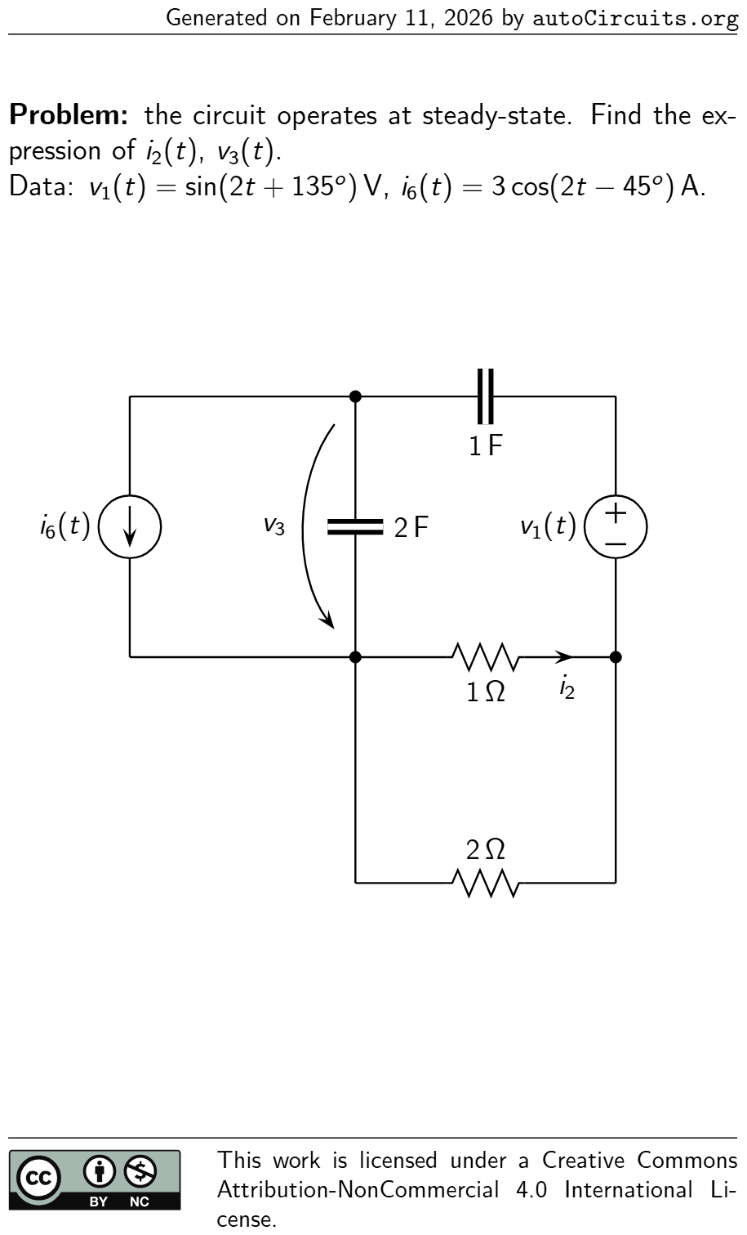 | the circuit operates at steady-state. Find the ex- pression ofi2 (t),v3 (t). Data:v1 (t) = sin(2t+ 135 o ) V,i6 (t) = 3 cos(2t−45 o ) A. v1 (t) 1 Ω i2 v3 2 F 1 F 2 Ω i6 (t) | i2 (t) = 0.166 cos(2t+ 93 o ) A v3 (t) = 0.798 cos(2t−138 o ) V
36 | AC Circuits | 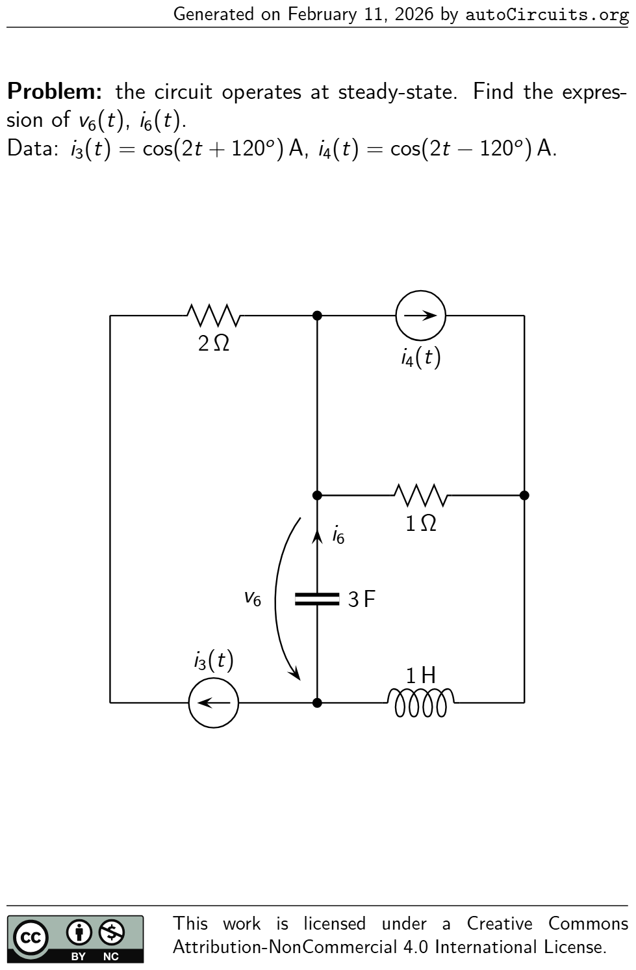 | the circuit operates at steady-state. Find the expres- sion ofv6 (t),i6 (t). Data:i3 (t) = cos(2t+ 120 o ) A,i4 (t) = cos(2t−120 o ) A. 1 H 2 Ω i3 (t) i4 (t) 1 Ω v6 3 F i6 | v6 (t) = 0.15 cos(2t−174 o ) V i6 (t) = 0.9 cos(2t−84 o ) A
37 | AC Circuits | 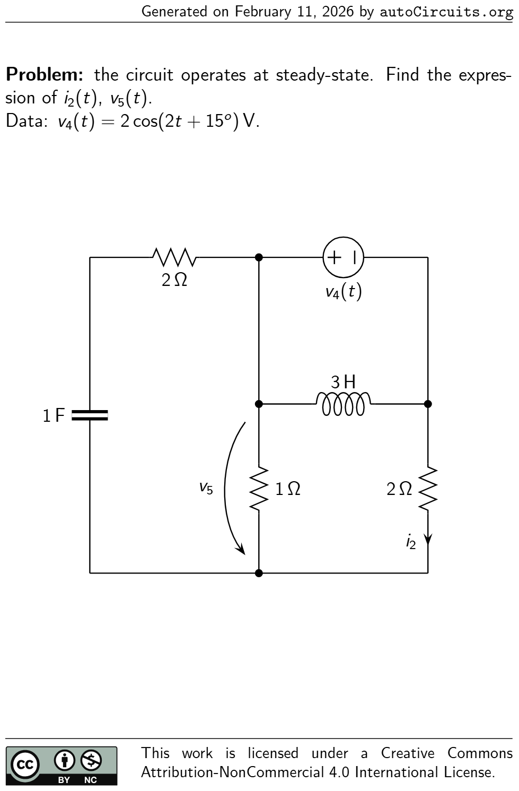 | the circuit operates at steady-state. Find the expres- sion ofi2 (t),v5 (t). Data:v4 (t) = 2 cos(2t+ 15 o ) V. 2 Ω 2 Ω i2 1 F v4 (t) v5 1 Ω 3 H | i2 (t) = 0.747 cos(2t−164 o ) A v5 (t) = 0.507 cos(2t−168 o ) V
38 | AC Circuits | 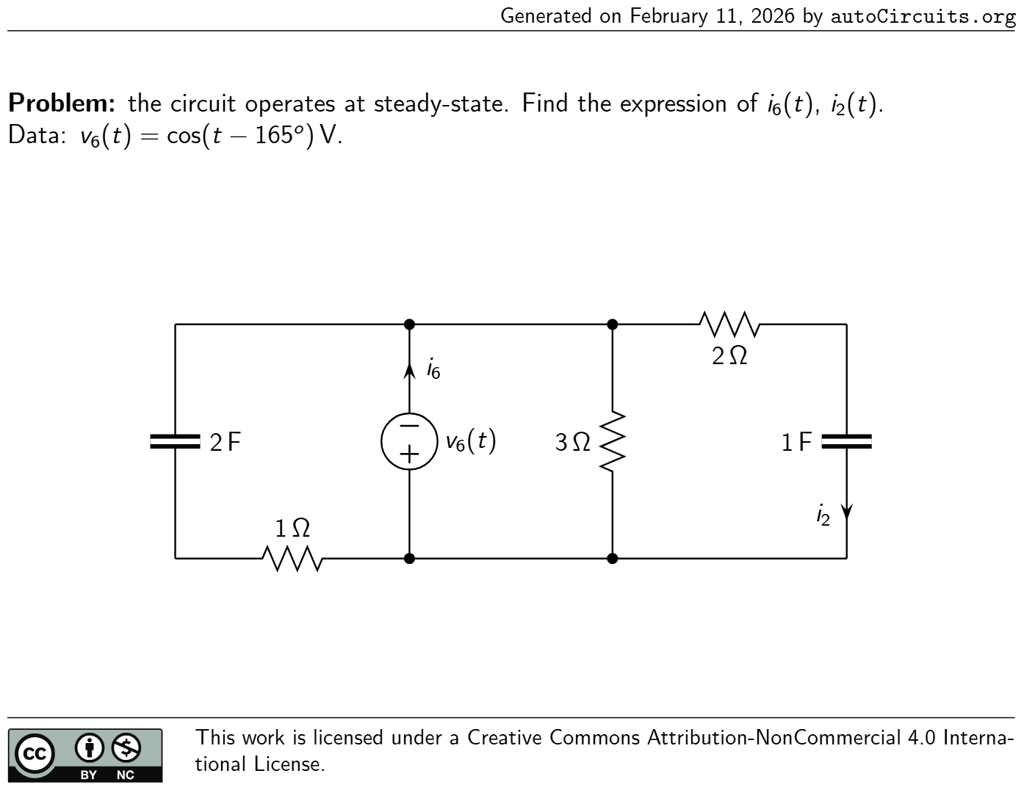 | the circuit operates at steady-state. Find the expression ofi6 (t),i2 (t). Data:v6 (t) = cos(t−165 o ) V. 2 Ω 1 F i2 1 Ω 2 F3 Ω v6 (t) i6 | i6 (t) = 1.647 cos(t+ 36 o ) A i2 (t) = 0.447 cos(t+ 42 o ) A
39 | AC Circuits | 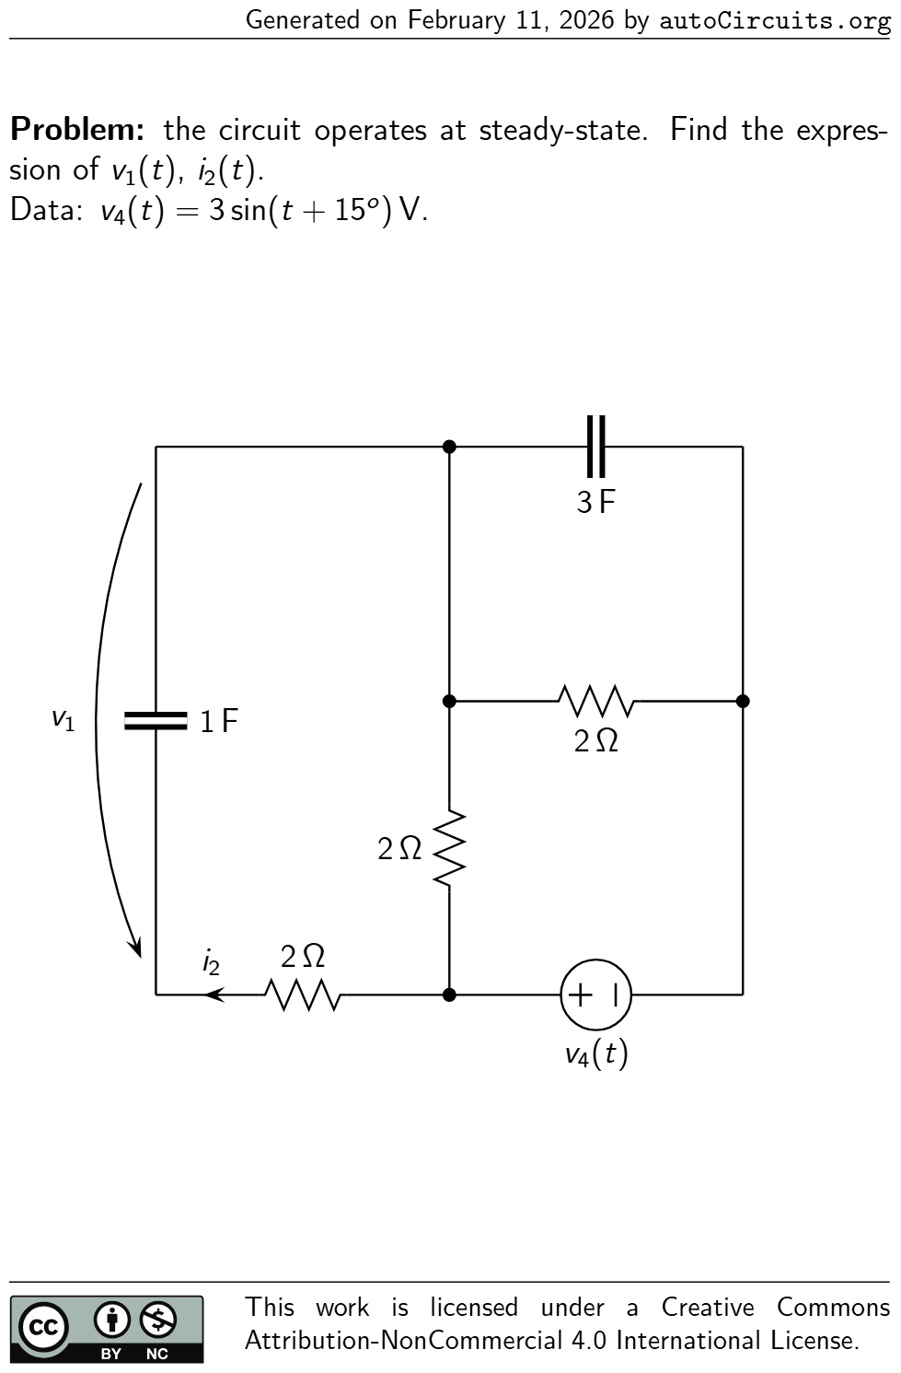 | the circuit operates at steady-state. Find the expres- sion ofv1 (t),i2 (t). Data:v4 (t) = 3 sin(t+ 15 o ) V. v1 1 F 2 Ω i2 3 F v4 (t) 2 Ω 2 Ω | v1 (t) = 1.168 cos(t−124 o ) V i2 (t) = 1.168 cos(t−34 o ) A
40 | AC Circuits | 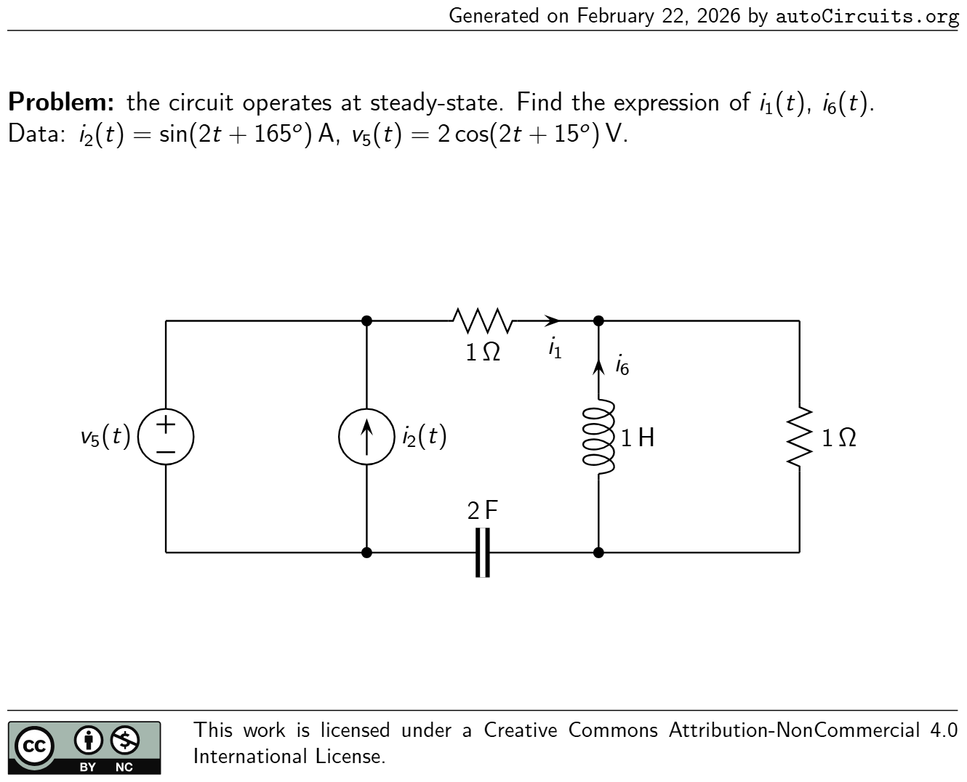 | the circuit operates at steady-state. Find the expression ofi1 (t),i6 (t). Data:i2 (t) = sin(2t+ 165 o ) A,v5 (t) = 2 cos(2t+ 15 o ) V. 1 Ω i1 i2 (t) 2 F 1 Ω v5 (t) 1 H i6 | i1 (t) = 1.107 cos(2t+ 10 o ) A i6 (t) = 0.495 cos(2t+ 127 o ) A
41 | AC Circuits | 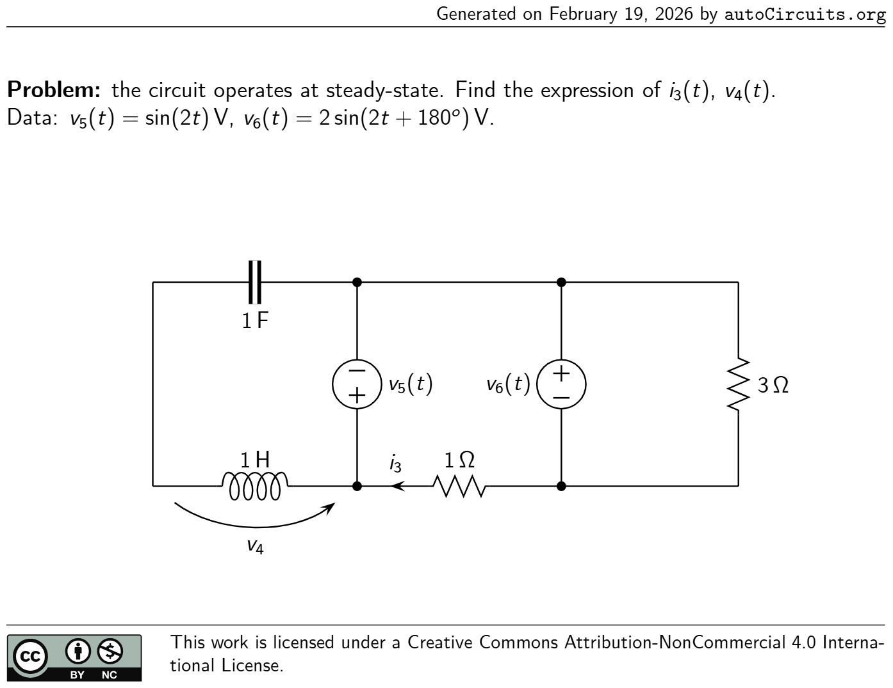 | the circuit operates at steady-state. Find the expression ofi3 (t),v4 (t). Data:v5 (t) = sin(2t) V,v6 (t) = 2 sin(2t+ 180 o ) V. 3 Ω 1 F 1 Ω i3 v4 1 H v5 (t)v6 (t) | i3 (t) = cos(2t−90 o ) A v4 (t) = 1.333 cos(2t−90 o ) V
42 | AC Circuits | 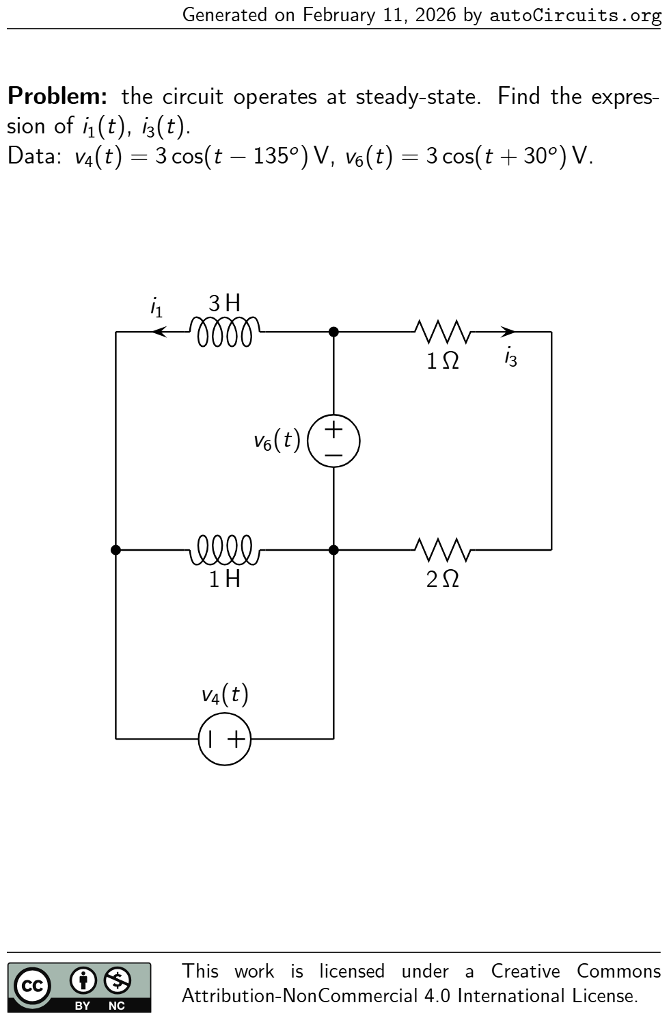 | the circuit operates at steady-state. Find the expres- sion ofi1 (t),i3 (t). Data:v4 (t) = 3 cos(t−135 o ) V,v6 (t) = 3 cos(t+ 30 o ) V. 3 H i1 1 H 1 Ω i3 v4 (t) 2 Ω v6 (t) | i1 (t) = 0.261 cos(t−143 o ) A i3 (t) = cos(t+ 30 o ) A
43 | AC Circuits | 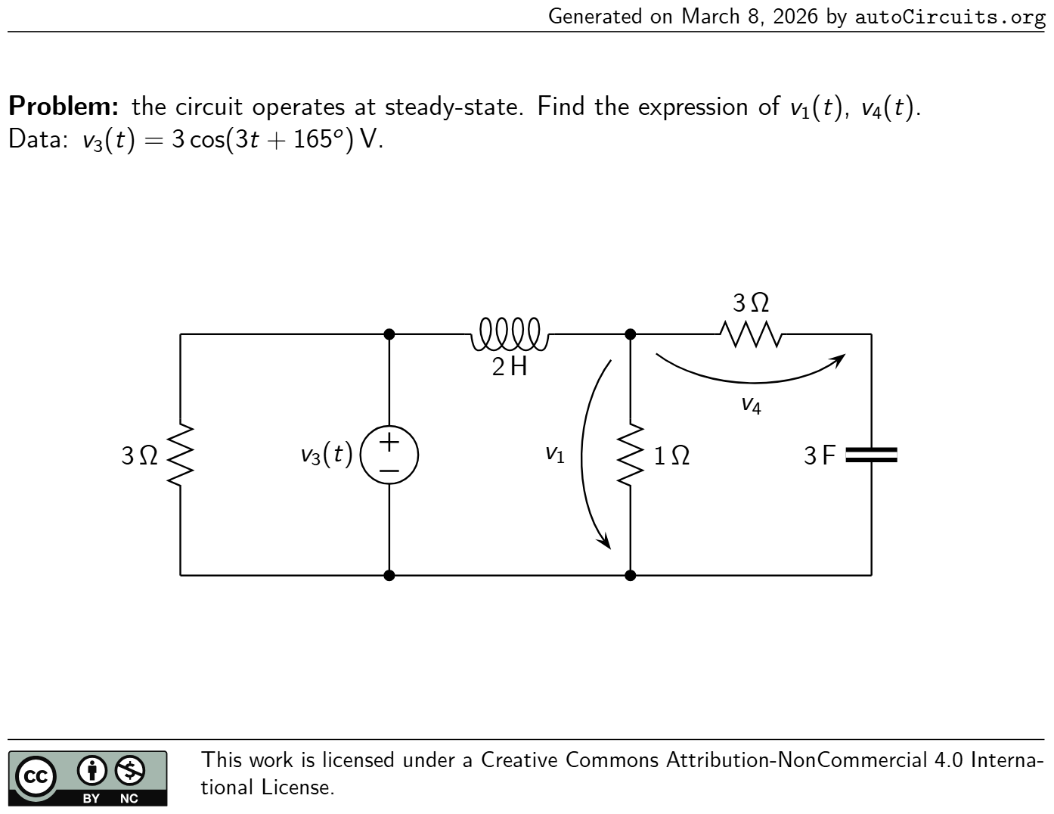 | the circuit operates at steady-state. Find the expression ofv1 (t),v4 (t). Data:v3 (t) = 3 cos(3t+ 165 o ) V. v1 1 Ω 2 H v3 (t) v4 3 Ω 3 F3 Ω | v1 (t) = 0.373 cos(3t−98 o ) V v4 (t) = 0.372 cos(3t−96 o ) V
44 | First-Order circuits | 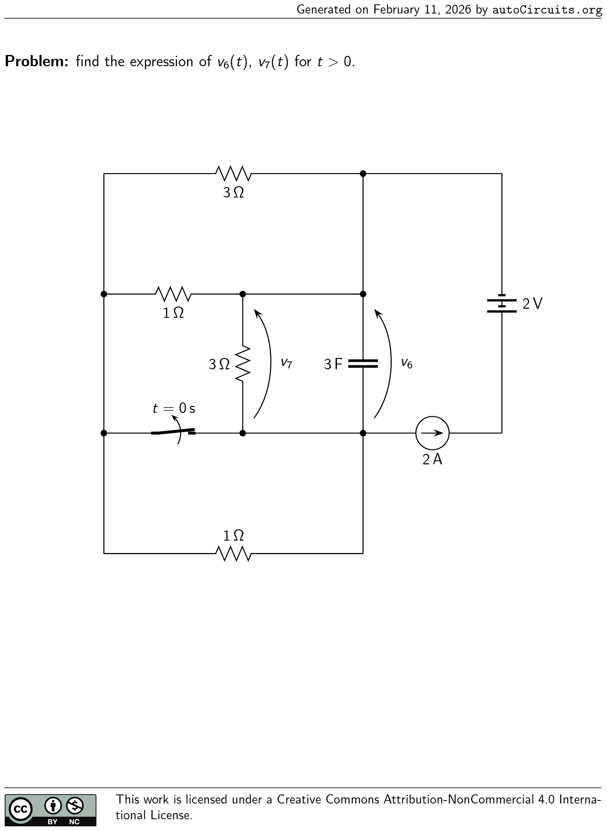 | find the expression ofv6 (t),v7 (t) fort>0. t = 0 s 2 A 2 V3 Ω 1 Ω v6 3 F v7 3 Ω 1 Ω | •Time constant:τ = 63 19 s; •Initial conditions before switching:v6 (0 − ) = 6 5 V; •Initial conditions after switching:v6 (0 + ) = 6 5 V;v7 (0 + ) = 6 5 V; •Steady-state solution:v6 (∞) = 42 19 V;v7 (∞) = 42 19 V; •Solution fort>0: v6 (t) = ( −96 95 e −t/τ + 42 19 ) V v7 (t) = ( −96 95 e −t/τ + 42 19 ) V
45 | First-Order circuits | 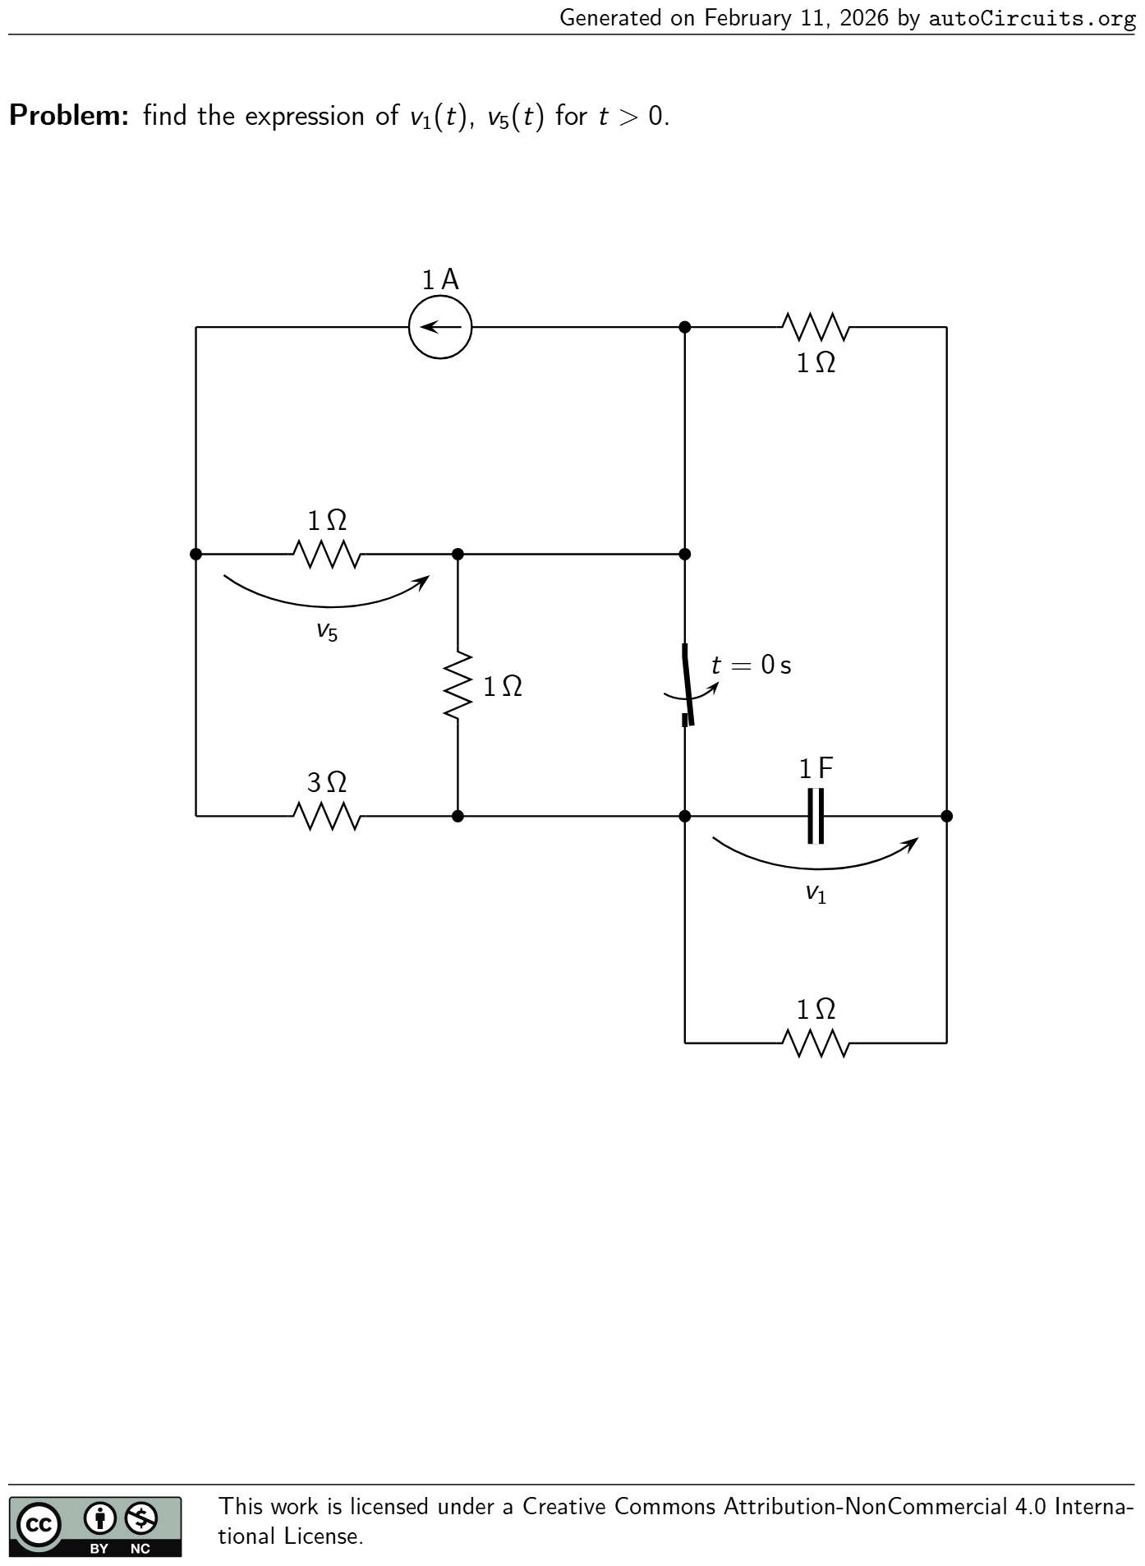 | find the expression ofv1 (t),v5 (t) fort>0. v1 1 F 1 A 1 Ω 3 Ω v5 1 Ω t = 0 s 1 Ω 1 Ω | •Time constant:τ = 9 14 s; •Initial conditions before switching:v1 (0 − ) = 0 V; •Initial conditions after switching:v1 (0 + ) = 0 V;v5 (0 + ) = −7 9 V; •Steady-state solution:v1 (∞) = −1 14 V;v5 (∞) = −11 14 V; •Solution fort>0: v1 (t) = ( 1 14 e −t/τ + −1 14 ) V v5 (t) = ( 7.937·10 −3 e −t/τ + −11 14 ) V
46 | First-Order circuits | 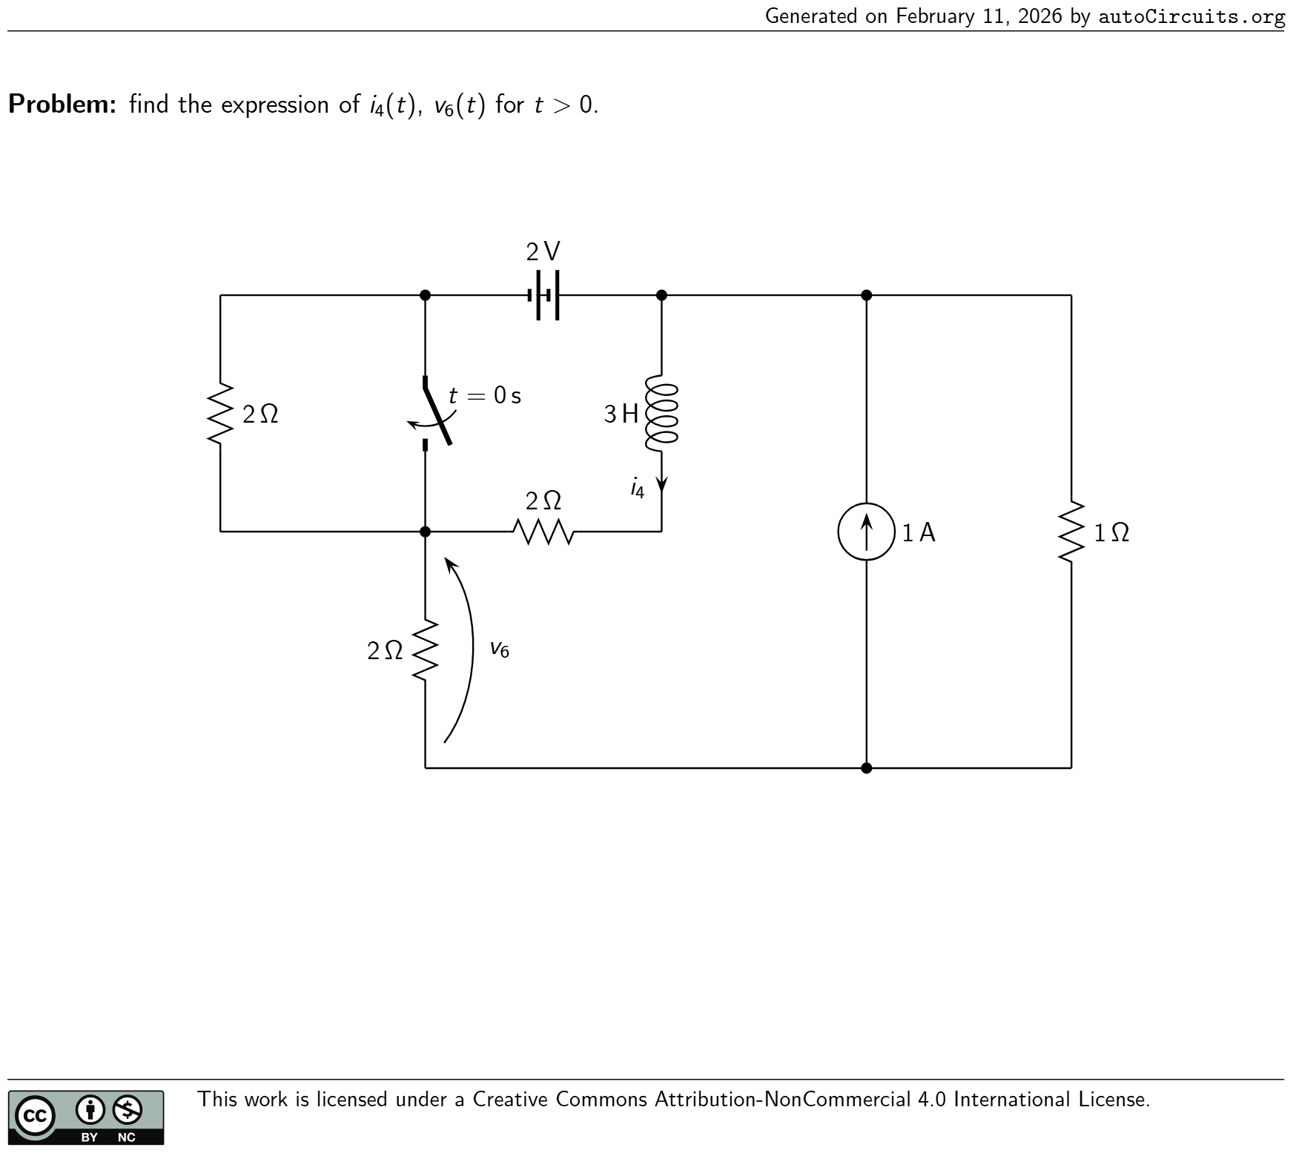 | find the expression ofi4 (t),v6 (t) fort>0. t = 0 s 1 Ω1 A 3 H i4 2 V v6 2 Ω 2 Ω 2 Ω | •Time constant:τ = 3 2 s; •Initial conditions before switching:i4 (0 − ) = 1 2 A; •Initial conditions after switching:i4 (0 + ) = 1 2 A;v6 (0 + ) = −2 3 V; •Steady-state solution:i4 (∞) = 1 A;v6 (∞) = −2 3 V; •Solution fort>0: i4 (t) = ( −1 2 e −t/τ + 1 ) A v6 (t) = −2 3 V
47 | First-Order circuits | 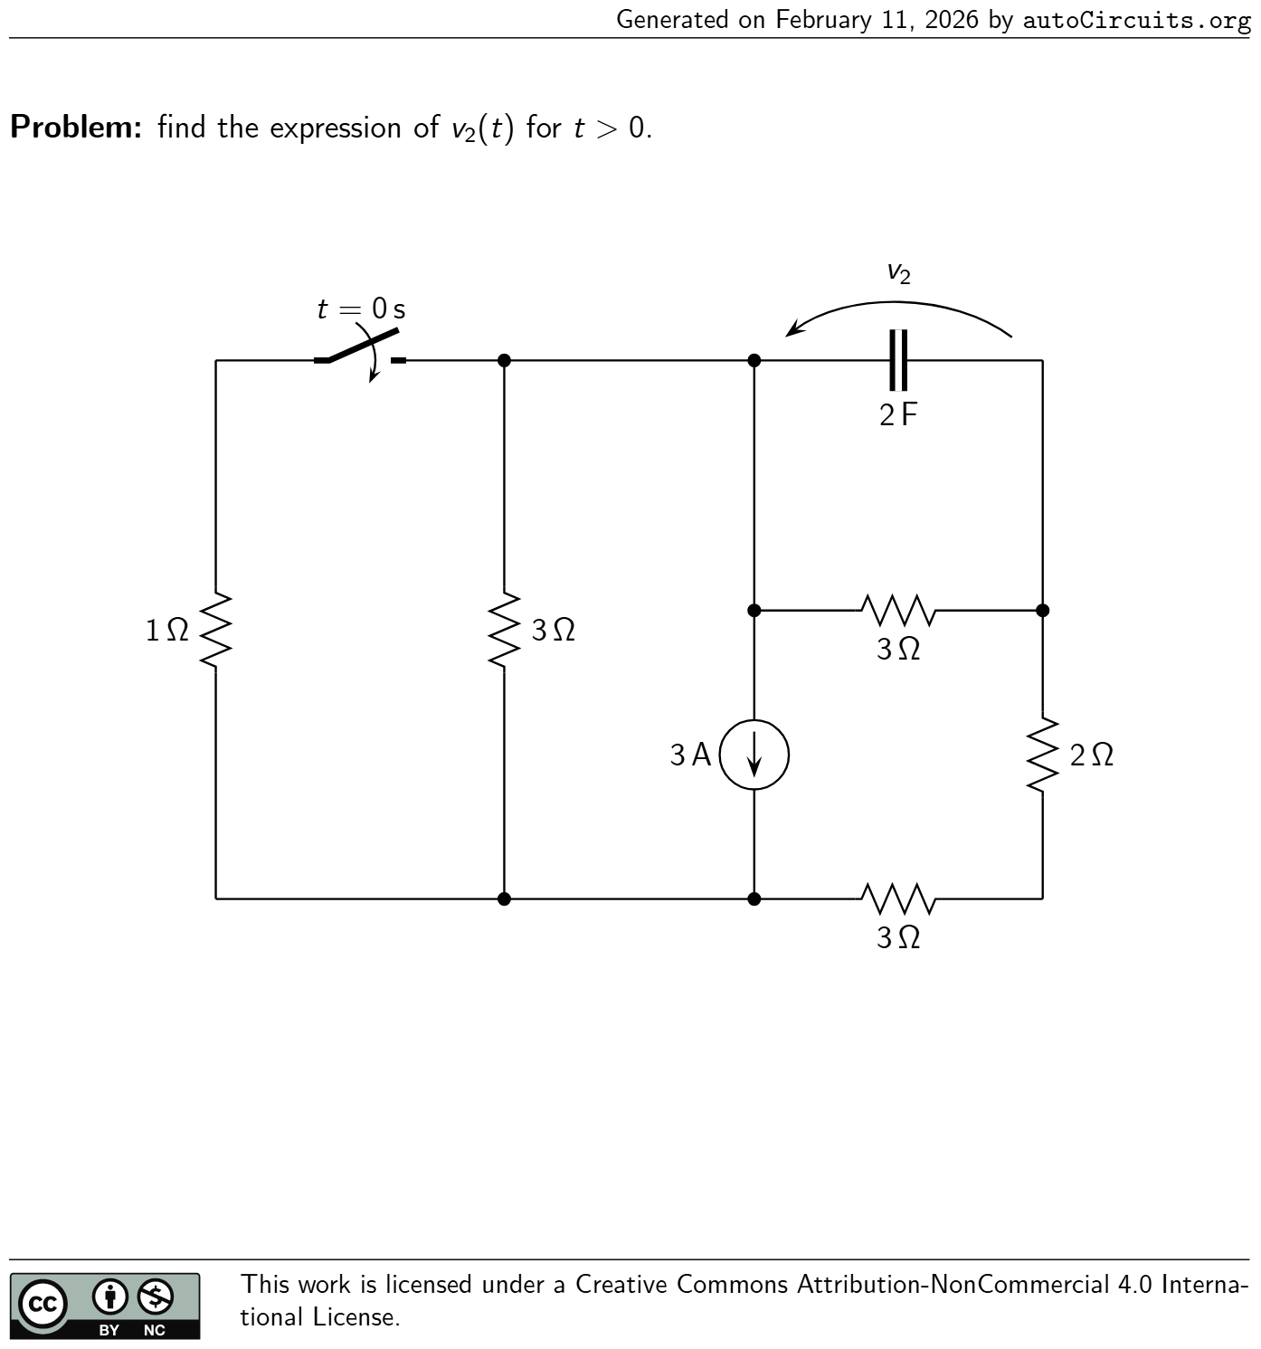 | find the expression ofv2 (t) fort>0. 3 A v2 2 F 3 Ω 2 Ω 3 Ω t = 0 s 3 Ω 1 Ω | •Time constant:τ = 3.943 s; •Initial conditions before switching:v2 (0 − ) = −27 11 V; •Initial conditions after switching:v2 (0 + ) = −27 11 V; •Steady-state solution:v2 (∞) = −27 35 V; •Solution fort>0: v2 (t) = ( −1.683e −t/τ + −27 35 ) V
48 | First-Order circuits | 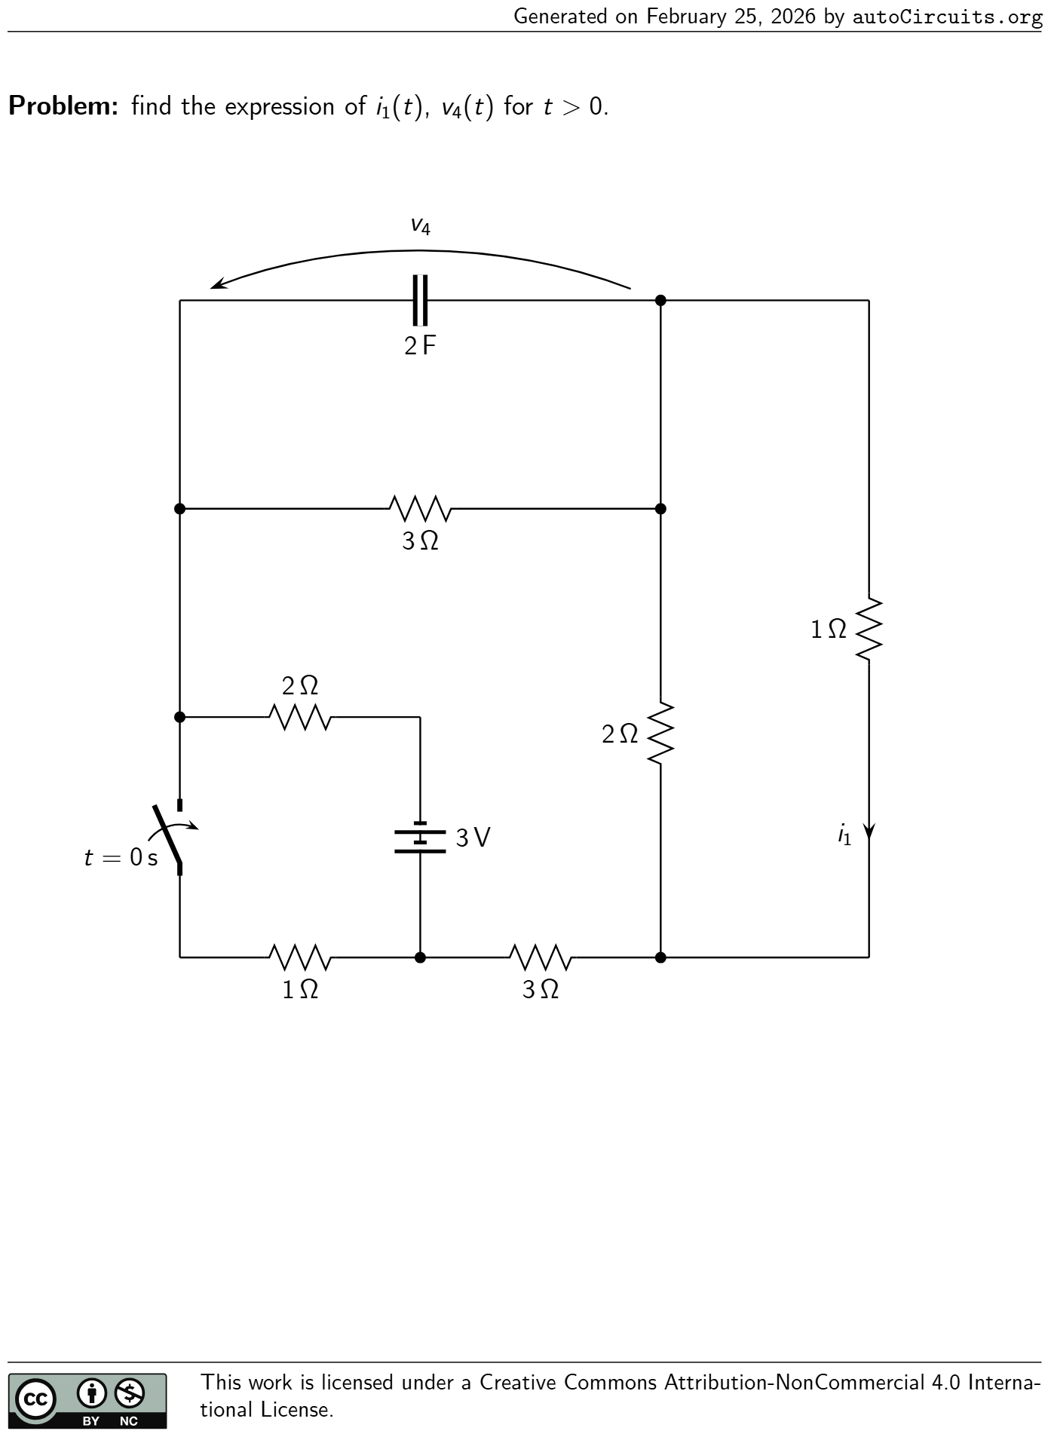 | find the expression ofi1 (t),v4 (t) fort>0. 1 Ω i1 3 Ω t = 0 s v4 2 F 3 V2 Ω 3 Ω 1 Ω 2 Ω | •Time constant:τ = 39 11 s; •Initial conditions before switching:v4 (0 − ) = −27 26 V; •Initial conditions after switching:i1 (0 + ) = 5.917 mA;v4 (0 + ) = −27 26 V; •Steady-state solution:i1 (∞) = −1 11 A;v4 (∞) = −9 22 V; •Solution fort>0: i1 (t) = ( 96.826·10 −3 e −t/τ + −1 11 ) A v4 (t) = ( −0.629e −t/τ + −9 22 ) V
49 | First-Order circuits | 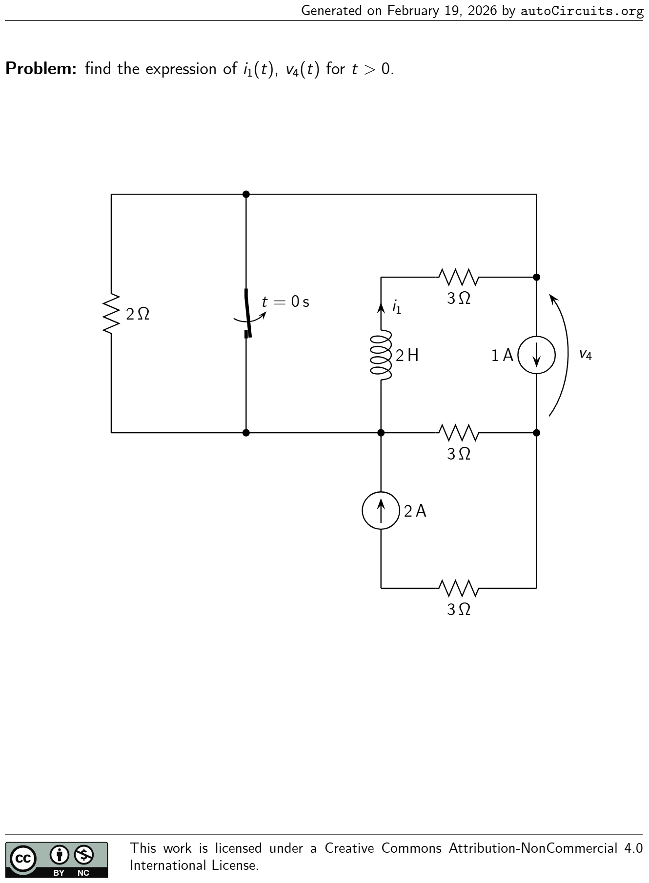 | find the expression ofi1 (t),v4 (t) fort>0. 2 H i1 2 A 3 Ω v4 1 A t = 0 s 3 Ω 3 Ω 2 Ω | •Time constant:τ = 2 5 s; •Initial conditions before switching:i1 (0 − ) = 0 A; •Initial conditions after switching:i1 (0 + ) = 0 A;v4 (0 + ) = 1 V; •Steady-state solution:i1 (∞) = 2 5 A;v4 (∞) = 9 5 V; •Solution fort>0: i1 (t) = ( −2 5 e −t/τ + 2 5 ) A v4 (t) = ( −4 5 e −t/τ + 9 5 ) V
50 | First-Order circuits | 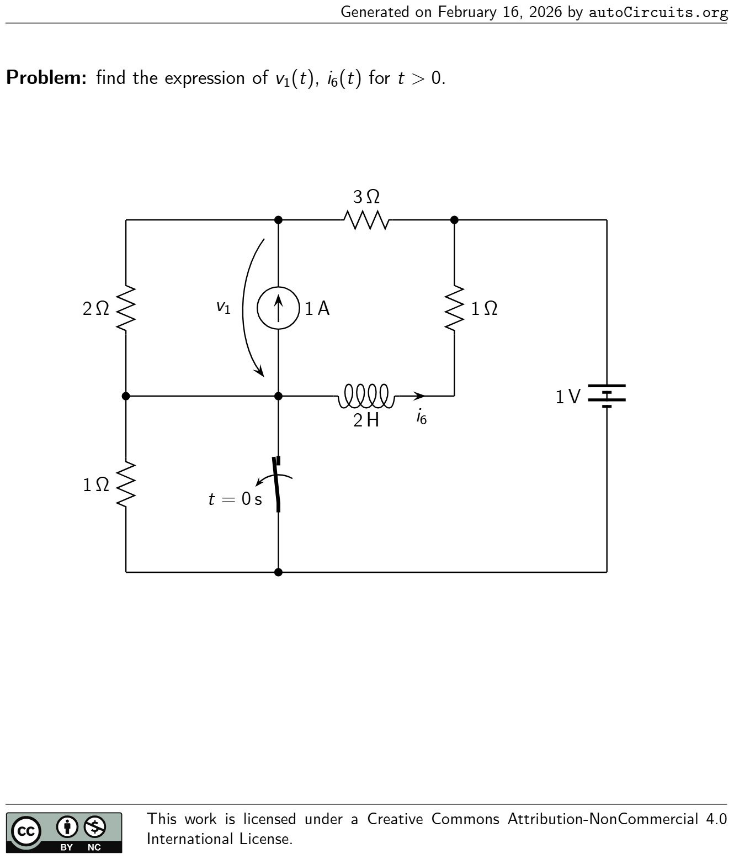 | find the expression ofv1 (t),i6 (t) fort>0. v1 1 A t = 0 s 3 Ω 1 V2 Ω 2 H i6 1 Ω 1 Ω | •Time constant:τ = 12 11 s; •Initial conditions before switching:i6 (0 − ) = −1 A; •Initial conditions after switching:v1 (0 + ) = −4 3 V;i6 (0 + ) = −1 A; •Steady-state solution:v1 (∞) = −16 11 V;i6 (∞) = −7 11 A; •Solution fort>0: v1 (t) = ( 4 33 e −t/τ + −16 11 ) V i6 (t) = ( −4 11 e −t/τ + −7 11 ) A
51 | First-Order circuits | 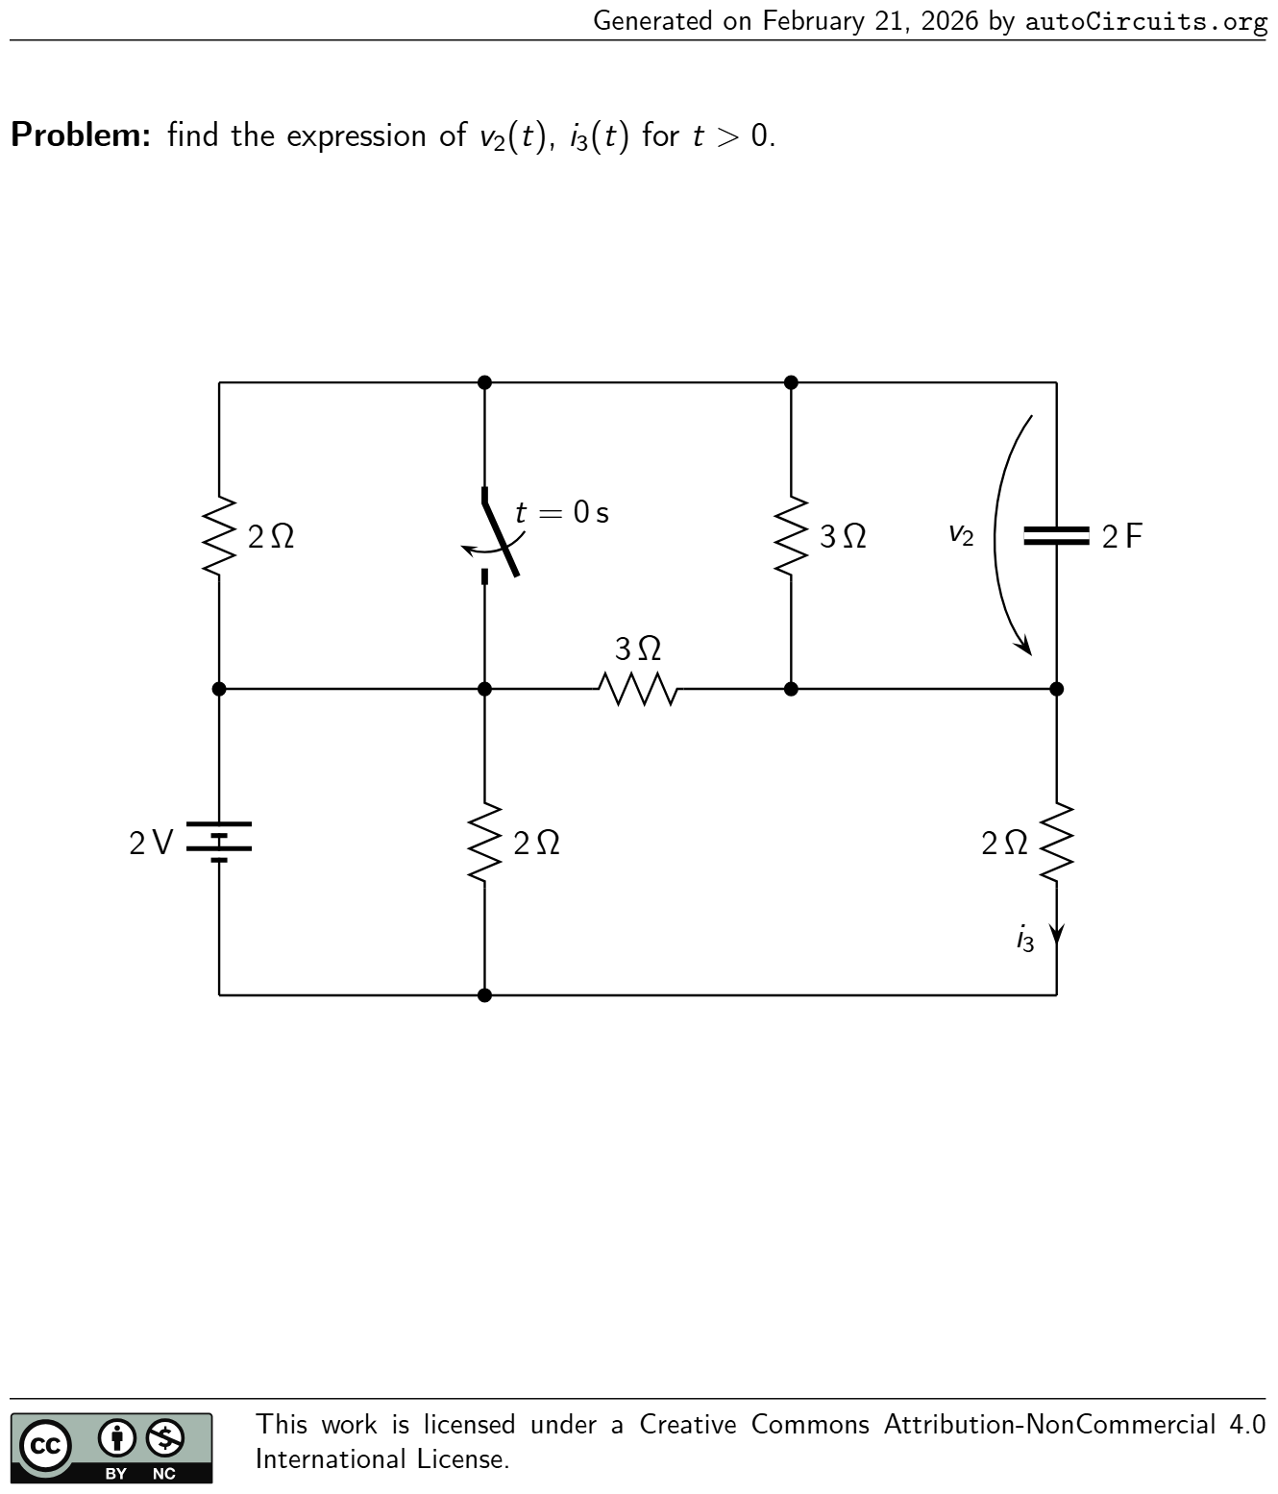 | find the expression ofv2 (t),i3 (t) fort>0. 2 Ω v2 2 F 2 Ω i3 t = 0 s 2 V3 Ω 3 Ω2 Ω | •Time constant:τ = 12 7 s; •Initial conditions before switching:v2 (0 − ) = −18 31 V; •Initial conditions after switching:v2 (0 + ) = −18 31 V;i3 (0 + ) = 22 31 A; •Steady-state solution:v2 (∞) = −6 7 V;i3 (∞) = 4 7 A; •Solution fort>0: v2 (t) = ( 0.276e −t/τ + −6 7 ) V i3 (t) = ( 0.138e −t/τ + 4 7 ) A
52 | First-Order circuits | 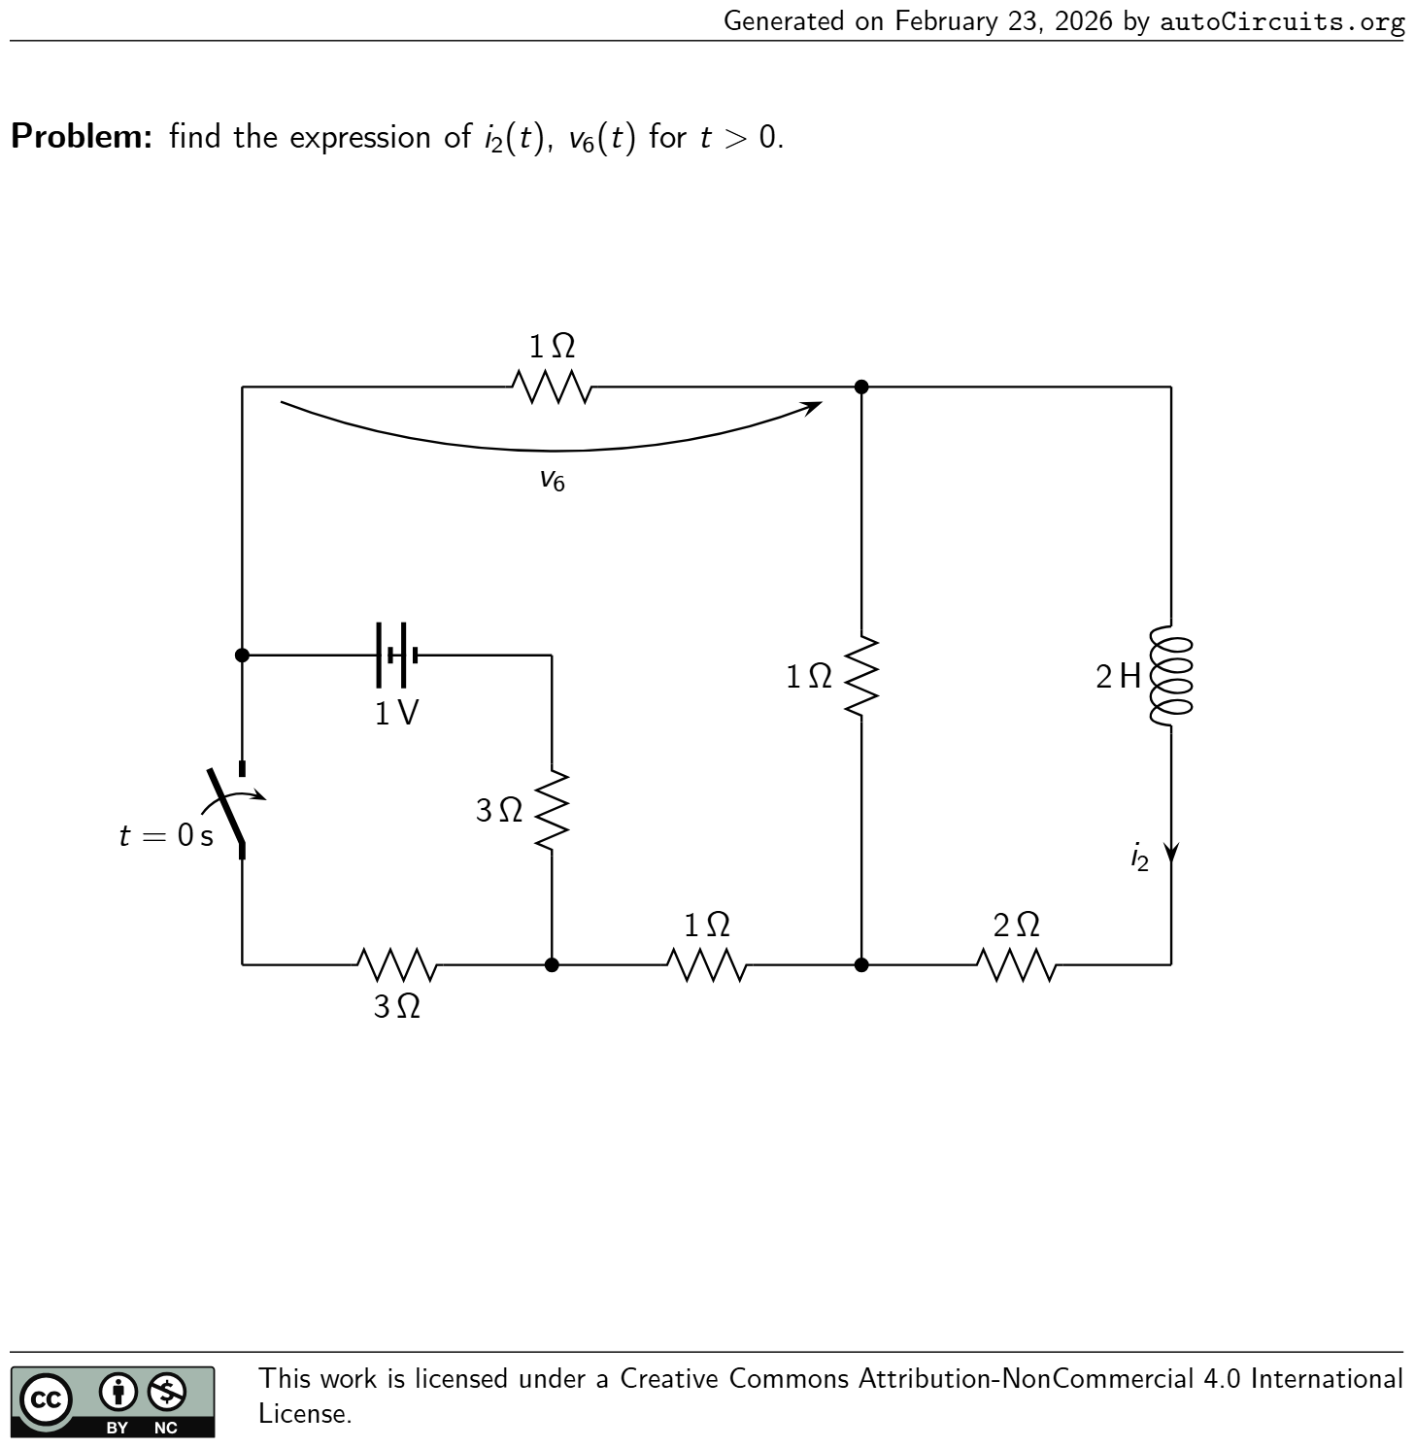 | find the expression ofi2 (t),v6 (t) fort>0. 1 Ω2 H i2 t = 0 s 1 V1 Ω v6 1 Ω 2 Ω 3 Ω 3 Ω | •Time constant:τ = 18 25 s; •Initial conditions before switching:i2 (0 − ) = 1 17 A; •Initial conditions after switching:i2 (0 + ) = 1 17 A;v6 (0 + ) = −0.124 V; •Steady-state solution:i2 (∞) = 1 25 A;v6 (∞) = −3 25 V; •Solution fort>0: i2 (t) = ( 18.824·10 −3 e −t/τ + 1 25 ) A v6 (t) = ( −4.183·10 −3 e −t/τ + −3 25 ) V
53 | First-Order circuits | 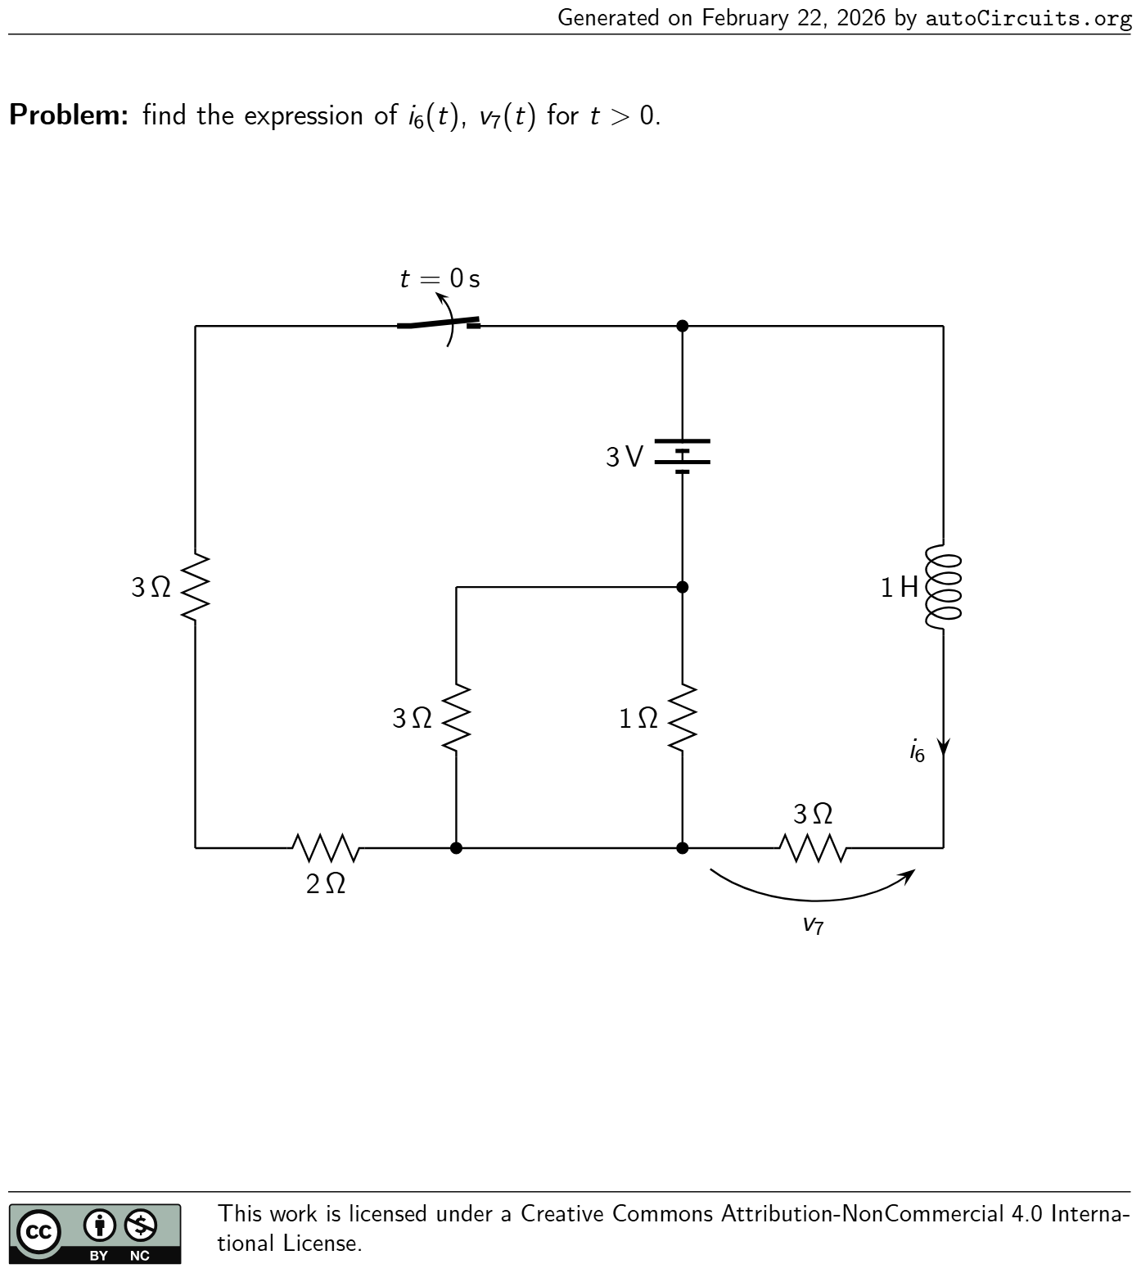 | find the expression ofi6 (t),v7 (t) fort>0. 2 Ω t = 0 s 1 Ω 3 V3 Ω 1 H i6 v7 3 Ω 3 Ω | •Time constant:τ = 4 15 s; •Initial conditions before switching:i6 (0 − ) = 5 7 A; •Initial conditions after switching:i6 (0 + ) = 5 7 A;v7 (0 + ) = 15 7 V; •Steady-state solution:i6 (∞) = 4 5 A;v7 (∞) = 12 5 V; •Solution fort>0: i6 (t) = ( −3 35 e −t/τ + 4 5 ) A v7 (t) = ( −9 35 e −t/τ + 12 5 ) V
54 | First-Order circuits |  | find the expression ofv5 (t),i6 (t) fort>0. t = 0 s 1 V2 Ω 2 Ω v5 2 F3 Ω i6 1 Ω 1 Ω | •Time constant:τ = 24 31 s; •Initial conditions before switching:v5 (0 − ) = −3 19 V; •Initial conditions after switching:v5 (0 + ) = −3 19 V;i6 (0 + ) = −1 19 A; •Steady-state solution:v5 (∞) = −3 31 V;i6 (∞) = −1 31 A; •Solution fort>0: v5 (t) = ( −61.121·10 −3 e −t/τ + −3 31 ) V i6 (t) = ( −20.374·10 −3 e −t/τ + −1 31 ) A
55 | Transfer Functions |  | find the transfer functionH 1 (s) = I3 (s) I5 (s) . 3 Ω 3 F 2 Ω i3 2 Ω i5 (t) 1 F | H 1 (s) = 15s+ 1 30s 2 + 23s+ 1
56 | Transfer Functions |  | find the transfer functionH 1 (s) = I1 (s) V6 (s) . 1 Ω i1 2 H 3 Ω3 Ω 2 F v6 (t) | H 1 (s) = 1
57 | Transfer Functions |  | find the transfer functionH 1 (s) = I4 (s) I5 (s) . 3 Ω 3 F 2 Ω 2 Ω i4 i5 (t) 3 F | H 1 (s) = −54s 2 −24s−1 (6s+ 1) (24s+ 1)
58 | Transfer Functions |  | find the transfer functionH 1 (s) = V4 (s) V1 (s) . v1 (t) 2 Ω 2 H v4 1 Ω 1 Ω 2 H | H 1 (s) = −2s−2 4s+ 5
59 | Transfer Functions |  | find the transfer functionH 1 (s) = V2 (s) I2 (s) . 3 H v2 i2 (t) 2 Ω 2 Ω 2 F 2 Ω | H 1 (s) = −24s 2 −8s−4 18s 2 + 8s+ 3
60 | Transfer Functions |  | find the transfer functionH 1 (s) = V6 (s) V5 (s) . 1 Ω 3 Ω 3 Ω 1 F v5 (t) v6 1 H | H 1 (s) = s 2 +s 4s 2 + 4s+ 3
61 | Transfer Functions |  | find the transfer functionH 1 (s) = V1 (s) I6 (s) . v1 1 Ω 2 F 1 Ω 1 Ω 1 H i6 (t) | H 1 (s) = 4s 2 (2s+ 1) (3s+ 1)
62 | Transfer Functions |  | find the transfer functionH 1 (s) = V2 (s) V5 (s) . 1 Ω v2 3 Ω 2 H 2 Ω v5 (t) 2 F | H 1 (s) = −3s 10s 2 + 12s+ 4
63 | Transfer Functions |  | find the transfer functionH 1 (s) = I3 (s) I5 (s) . 2 F 1 Ω 1 F i3 3 Ω i5 (t) 1 Ω | H 1 (s) = 3s(2s+ 1) 8s 2 + 7s+ 1
64 | Transfer Functions |  | find the transfer functionH 1 (s) = I6 (s) I3 (s) . 3 Ω 3 F i3 (t) 3 Ω 1 H 2 Ω i6 | H 1 (s) = −9s−1 15s+ 1
65 | Transfer Functions |  | find the transfer functionH 1 (s) = I1 (s) I4 (s) . 1 Ω i1 1 H 2 Ω i4 (t) 1 Ω 3 F | H 1 (s) = −2 9s 2 + 16s+ 3

